Total Needs
CPI's bottom-up climate finance needs
 | The following tables describe global annual average needs in USD billions (2022). Please note that many countries have not quantified needs within their NDCs, with some establishing action plans with quantified needs in other, external documents (e.g., National Adaptation Plans, National Communications, national sector strategies, etc.). Therefore, results should not be interpreted as total needs for all countries, but instead as the total needs available in NDCs to date. Please refer to the "Summary of NDCs" tab for more information on the scope and coverage of data included in this file. For more detailed breakdown of bottom-up needs by region, please refer to the "Needs data by region" tabs.

 | Summary of global bottom-up climate finance needs availabilty, coverage, and scope
 | The table below provides an overview of the number of NDCs which include quantified climate finance needs by climate objective (adaptation, mitigation, or both/cross-cutting), and by Annex I and non-Annex I countries* (see "Summary of NDCs" tab for more details).

 |  | Number of NDCs
 |  | Annex I | non-Annex I | All Parties
 | No needs quantified | 12 | 46 | 58
 | Needs quantified | 4 | 106 | 110
 | Both Mitigation and Adaptation | 3 | 73 | 76
 | Mitigation only | 1 | 27 | 28
 | Adaptation Only | 0 | 6 | 6
 | *Note: Annex I countries, as referenced in the Paris Agreement, are developed nations and economies in transition committed to reducing greenhouse gas emissions under international climate agreements. These include countries that were OECD members in 1992, plus countries with economies in transition in Central and Eastern Europe. Under the Paris Agreement, non-Annex I Parties are eligible to receive international support (either financial, technological, or capacity-building). Hence, many of them include conditional needs in their NDCs. Many Annex I countries do not quantify needs. Therefore, total needs for non-Annex I tend to be higher than for Annex I countries.

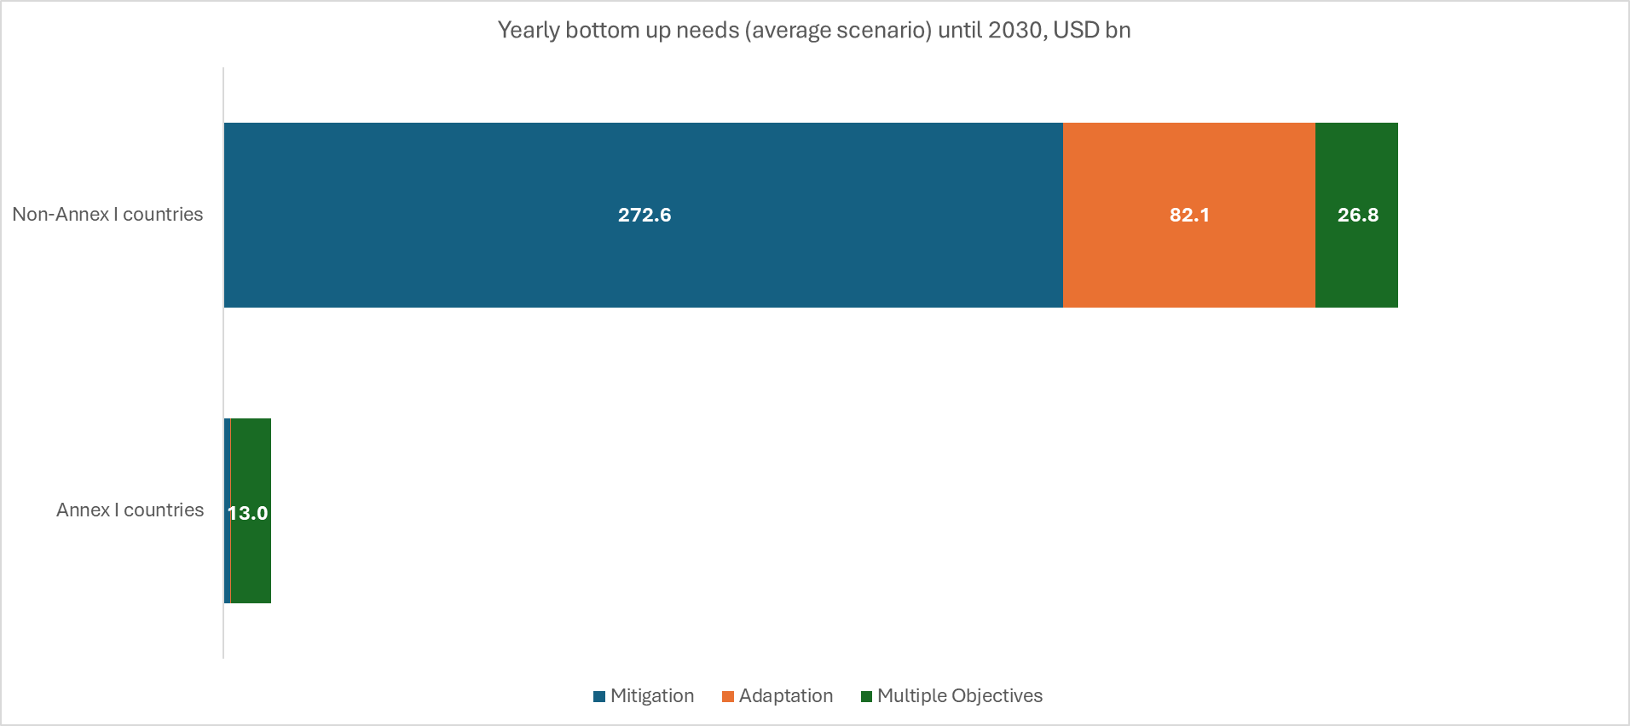
 | Global bottom-up climate finance needs by climate objective (2021-2030)
 | The following table describes global needs by climate objective for both Annex I and non-Annex I* countries by climate objective for 2021-2030. Needs estimates are available for a low, high, and average scenario, because in some cases, NDCs described needs over a range. However, this occurs in limited instances, and therefore needs values for the average scenrario are presented throughout this file.

 |  | Coverage |  | Yearly needs (low-range) 2022 USD bn | Yearly needs (high-range) 2022 USD bn | Yearly needs (average) 2022 USD bn | Cumulative needs 2021-2030 (average) 2022 USD bn

Figure 4c: Multiple Objectives: global annual average needs until 2030 by sector, USD bn
 | 1
 |  | # of countries/NDCs considered | % needs estimate coverage (out of total countries/NDCs)
 | Mitigation | 87 | 52% | 276.4 | 277.8 | 277.1 | 2,771.0
 | Annex I | 2 | 13% | 4.1 | 4.1 | 4.1 | 41.4
 | Non-Annex I | 85 | 56% | 272.3 | 273.6 | 273.0 | 2,729.6
 | Adaptation | 71 | 42% | 63.1 | 102.1 | 82.6 | 825.6
 | Annex I | 2 | 13% | 0.5 | 0.5 | 0.5 | 4.7
 | Non-Annex I | 69 | 45% | 62.6 | 101.6 | 82.1 | 820.9
 | Multiple Objectives | 29 | 17% | 39.7 | 40.4 | 40.0 | 400.5
 | Annex I | 3 | 19% | 13.3 | 13.3 | 13.3 | 132.9
 | Non-Annex I | 27 | 18% | 26.4 | 27.1 | 26.8 | 267.6
 | Total |  |  | 379.2 | 420.2 | 399.7 | 3,997.1
 | *Note: Annex I countries, as referenced in the Paris Agreement, are developed nations and economies in transition committed to reducing greenhouse gas emissions under international climate agreements. These include countries that were OECD members in 1992, plus countries with economies in transition in Central and Eastern Europe. Under the Paris Agreement, non-Annex I Parties are eligible to receive international support (either financial, technological, or capacity-building). Hence, many of them include conditional needs in their NDCs. Many Annex I countries do not quantify needs. Therefore, total needs for non-Annex I tend to be higher than for Annex I countries.

 | Global average bottom-up climate finance needs by region (2021-2030)
 | This table describes average yearly bottom-up needs for each region by climate objective for 2021-2030.

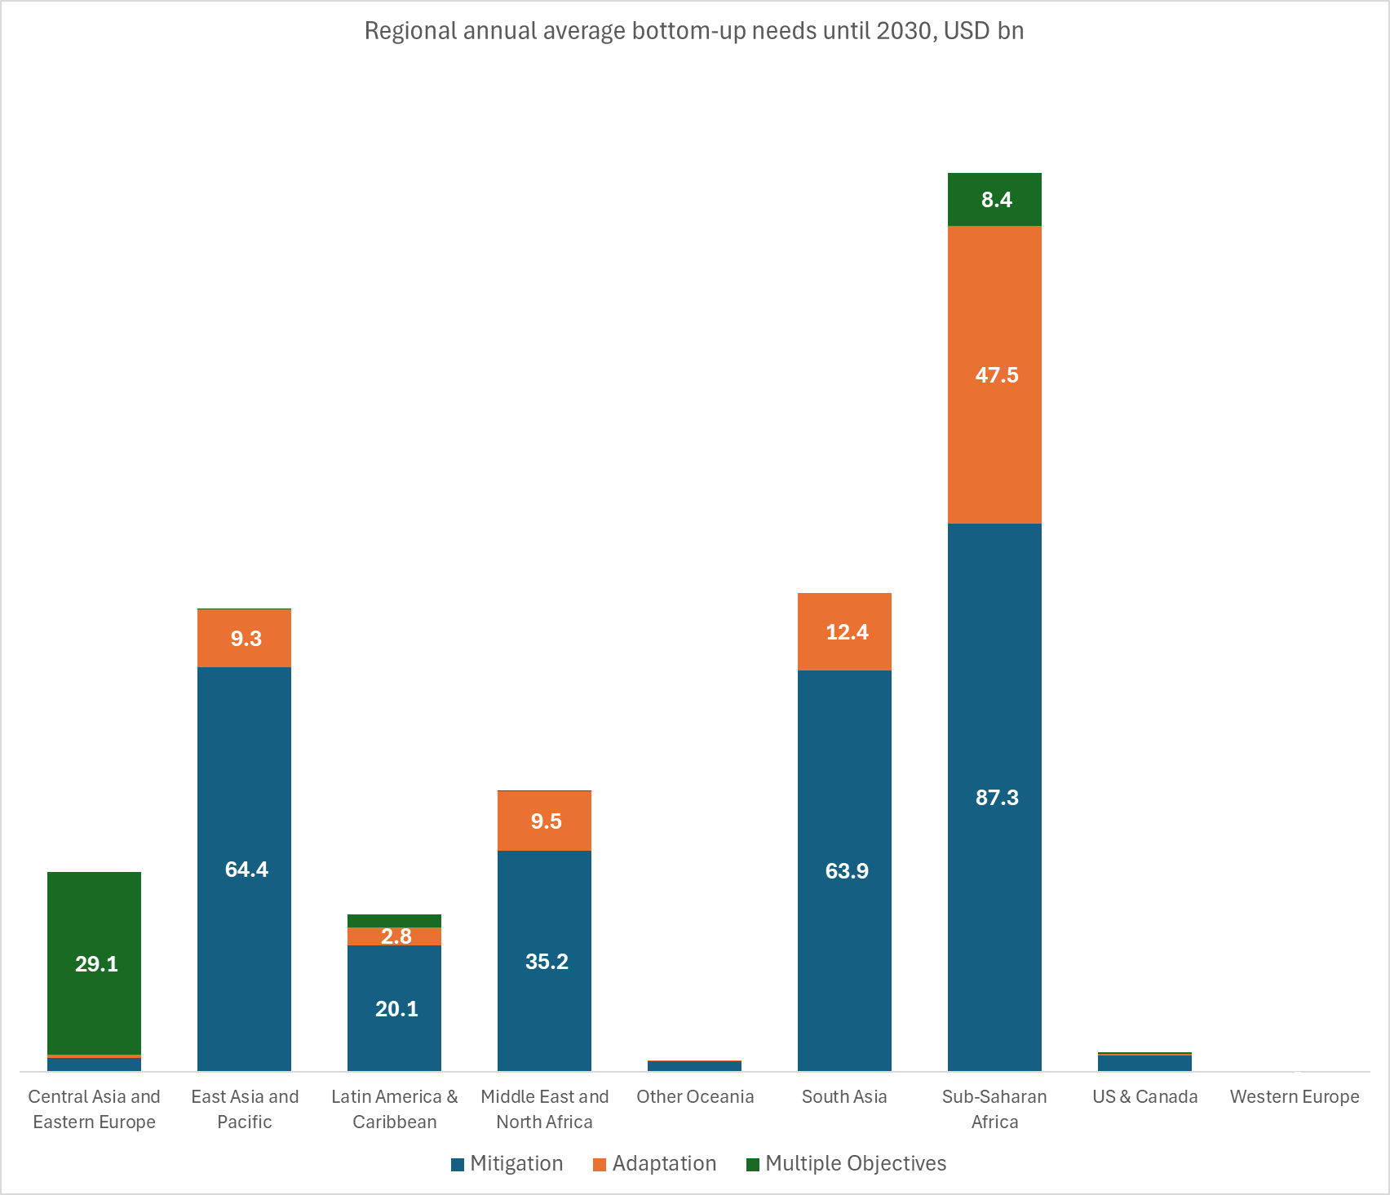
 |  | Coverage |  |  | Yearly needs 2021-2030 (average) 2022 USD bn |  |  |  | Cumulative needs 2021-2030 (average) 2022 USD bn

 |  | # countries/NDCs in region | # countries/NDCs with needs for 2021-2030 | % needs estimate coverage (out of total countries/NDCs) | Mitigation | Adaptation | Multiple Objectives | TOTAL | TOTAL
 | Central Asia and Eastern Europe | 18 | 7 | 39% | 2.1 | 0.5 | 29.1 | 31.8 | 317.5
 | East Asia and Pacific | 30 | 16 | 53% | 64.4 | 9.3 | 0.0 | 73.7 | 737.3
 | Latin America & Caribbean | 33 | 21 | 64% | 20.1 | 2.8 | 2.1 | 25.0 | 250.5
 | Middle East and North Africa | 16 | 7 | 44% | 35.2 | 9.5 | 0.1 | 44.7 | 447.1
 | Other Oceania | 2 | 1 | 50% | 1.7 | 0.2 | - | 1.8 | 18.1
 | South Asia | 8 | 5 | 63% | 63.9 | 12.4 | - | 76.3 | 763.2
 | Sub-Saharan Africa | 49 | 48 | 98% | 87.3 | 47.5 | 8.4 | 143.3 | 1,432.7
 | US & Canada | 2 | 1 | 50% | 2.5 | 0.3 | 0.3 | 3.1 | 30.6
 | Western Europe | 10 | 1 | 10% | - | - | 0.0 | 0.0 | 0.0
 | Total | 168 | 107 | 64% | 277.1 | 82.6 | 40.0 | 399.7 | 3,997.1

 | Global average conditional and unconditional bottom-up climate finance needs by region (2021-2030)
 | This table describes average yearly conditional and unconditional bottom-up needs for each region for 2021-2030. For definitions of conditional and unconditional needs, please refer to the Instructions tab.

 |  | Coverage |  |  | Yearly needs 2021-2030 (average) 2022 USD bn |  |  |  | Cumulative needs 2021-2030 (average) 2022 USD bn

 |  | # countries/NDCs considered | # countries/NDCs with needs for 2021-2030 | % needs estimate coverage (out of total countries/NDCs) | Unconditional | Conditional | Unspecified | TOTAL | TOTAL
 | Central Asia and Eastern Europe | 18 | 7 | 39% | 0.4 | 16.2 | 15.1 | 31.8 | 317.5
 | East Asia and Pacific | 30 | 16 | 53% | 34.1 | 37.3 | 2.3 | 73.7 | 737.3
 | Latin America & Caribbean | 33 | 21 | 64% | 0.9 | 2.6 | 21.6 | 25.0 | 250.5
 | Middle East and North Africa | 16 | 7 | 44% | 2.5 | 27.2 | 15.1 | 44.7 | 447.1
 | Other Oceania | 2 | 1 | 50% | 1.8 | - | - | 1.8 | 18.1
 | South Asia | 8 | 5 | 63% | 2.8 | 18.6 | 54.9 | 76.3 | 763.2
 | Sub-Saharan Africa | 49 | 48 | 98% | 17.4 | 83.7 | 42.2 | 143.3 | 1,432.7
 | US & Canada | 2 | 1 | 50% | 3.1 | - | - | 3.1 | 30.6
 | Western Europe | 10 | 1 | 10% | 0.0 | - | - | 0.0 | 0.0
 | Total | 168 | 107 | 64% | 63.0 | 185.6 | 151.2 | 399.7 | 3,997.1

 | Global average bottom-up climate finance needs by sector (2021-2030)
 | This table describes global yearly average and cummulative bottom-up climate finance needs by sector** for 2021-2030
 | Sector | Coverage |  | Yearly needs 2021-2030 (average) 2022 USD bn | Cumulative needs 2021-2030 (average) 2022 USD bn

 |  | # countries/NDCs considered | % needs estimate coverage (out of total countries/NDCs)
 | Agriculture, Forestry, Other land uses (AFOLU) and Fisheries | 55 | 33% | 19.7 | 196.8
 | Buildings & Infrastructure | 38 | 23% | 5.2 | 52.2
 | Energy Systems | 57 | 34% | 33.3 | 333.5
 | Industry | 21 | 13% | 6.4 | 64.0
 | ICT | 5 | 3% | 0.1 | 1.1
 | Transport | 45 | 27% | 19.8 | 197.6
 | Waste | 38 | 23% | 1.6 | 16.4
 | Water & Wastewater | 40 | 24% | 6.4 | 63.7
 | Others & Cross-sectoral | 36 | 21% | 32.3 | 323.3
 | Unspecified | 40 | 24% | 274.9 | 2,748.6
 | Total |  |  | 399.7 | 3,997.1
 | **Note: Sectors are classified using CPI's Global Landscape of Climate Finance (GLCF) climate finance taxonomy. The GLCF taxonomy may be referenced in the Climate Finance Taxonomy Annex of this file

Central Asia and Eastern Europe
Bottom-up climate finance needs for Central Asia and Eastern Europe

Region scope and coverage

 |  | Annex I | Non-Annex I | Total |  |  |  | Annex I | Non-Annex I | Total
 | Number of NDCs in region | 4 | 14 | 18 |  | Number of NDCs in region |  | 4 | 14 | 18
 | Needs quantified | 1 | 6 | 7 |  | Needs quantified |  | 1 | 6 | 7
 | # of countries fully costed | 1 | 5 | 6 |  | Both Mitigation and Adaptation |  | 1 | 3 | 4
 | # of countries partially costed | 0 | 1 | 1 |  | Mitigation only |  | 0 | 1 | 1
 | No needs quantified | 3 | 8 | 11 |  | Adaptation Only |  | 0 | 1 | 1
 | For a full list of Annex I and non-Annex I countries please refer to: |  | UNFCCC Clasificcation |  |  | No needs quantified |  | 3 | 8 | 11

 | Bottom-up needs availability and coverage by country
 | Please use the filer provided to navigate and sort the information in the table.

 | Country | Region | UNFCCC Classification | Needs quantified? | Data coverage | Timeframe | Thematic Coverage (Mitigation/Adaptation) | Sectoral breakdown available? | Sectors
 |  |  |  |  |  |  |  |  | AFOLU | Buildings & Infrastructure | Energy Systems | Industry | ICT | Transport | Waste | Water & Wastewater | Others & Cross-sectoral
 | Albania | Central Asia and Eastern Europe | non-Annex I | No | N/A | N/A | None | N/A | N/A | N/A | N/A | N/A | N/A | N/A | N/A | N/A | N/A
 | Armenia | Central Asia and Eastern Europe | non-Annex I | No | N/A | N/A | None | N/A | N/A | N/A | N/A | N/A | N/A | N/A | N/A | N/A | N/A
 | Azerbaijan | Central Asia and Eastern Europe | non-Annex I | No | N/A | N/A | None | N/A | N/A | N/A | N/A | N/A | N/A | N/A | N/A | N/A | N/A
 | Belarus | Central Asia and Eastern Europe | Annex I | No | N/A | N/A | None | N/A | N/A | N/A | N/A | N/A | N/A | N/A | N/A | N/A | N/A
 | Bosnia and Herzegovina | Central Asia and Eastern Europe | non-Annex I | Yes | Partially costed | 2020-2030 | Mitigation only | Yes | N | N | N | N | N | N | N | N | Y
 | Georgia | Central Asia and Eastern Europe | non-Annex I | No | N/A | N/A | None | N/A | N/A | N/A | N/A | N/A | N/A | N/A | N/A | N/A | N/A
 | Kazakhstan | Central Asia and Eastern Europe | non-Annex I | Yes | Fully costed | 2022-2030 | Both | No | N/A | N/A | N/A | N/A | N/A | N/A | N/A | N/A | N/A
 | Kyrgyzstan | Central Asia and Eastern Europe | non-Annex I | Yes | Fully costed | 2021-2030 | Both | Yes | Y | Y | Y | Y | N | N | Y | Y | Y
 | Montenegro | Central Asia and Eastern Europe | non-Annex I | No | N/A | N/A | None | N/A | N/A | N/A | N/A | N/A | N/A | N/A | N/A | N/A | N/A
 | North Macedonia | Central Asia and Eastern Europe | non-Annex I | No | N/A | N/A | None | N/A | N/A | N/A | N/A | N/A | N/A | N/A | N/A | N/A | N/A
 | Republic of Moldova | Central Asia and Eastern Europe | non-Annex I | Yes | Fully costed | 2020-2030 | Both | Yes | Y | Y | Y | N | N | Y | N | Y | Y
 | Russian Federation | Central Asia and Eastern Europe | Annex I | No | N/A | N/A | None | N/A | N/A | N/A | N/A | N/A | N/A | N/A | N/A | N/A | N/A
 | Serbia | Central Asia and Eastern Europe | non-Annex I | No | N/A | N/A | None | N/A | N/A | N/A | N/A | N/A | N/A | N/A | N/A | N/A | N/A
 | Tajikistan | Central Asia and Eastern Europe | non-Annex I | Yes | Fully costed | 2021-2030 | Both | Yes | Y | N | Y | N | N | Y | N | Y | Y
 | Türkiye | Central Asia and Eastern Europe | Annex I | No | N/A | N/A | None | N/A | N/A | N/A | N/A | N/A | N/A | N/A | N/A | N/A | N/A
 | Turkmenistan | Central Asia and Eastern Europe | non-Annex I | Yes | Fully costed | 2021-2030 | Adaptation only | No | N/A | N/A | N/A | N/A | N/A | N/A | N/A | N/A | N/A
 | Ukraine | Central Asia and Eastern Europe | Annex I | Yes | Fully costed | 2021-2030 | Both | No | N/A | N/A | N/A | N/A | N/A | N/A | N/A | N/A | N/A
 | Uzbekistan | Central Asia and Eastern Europe | non-Annex I | No | N/A | N/A | None | N/A | N/A | N/A | N/A | N/A | N/A | N/A | N/A | N/A | N/A
 | For more information on scope and coverage, please see: |  | Summary of NDCs

Bottom-up climate finance needs breakdown 2021-2030

 | Average bottom-up climate finance needs by 2030 in Central Asia and Eastern Europe, by country and objective (USD bn)

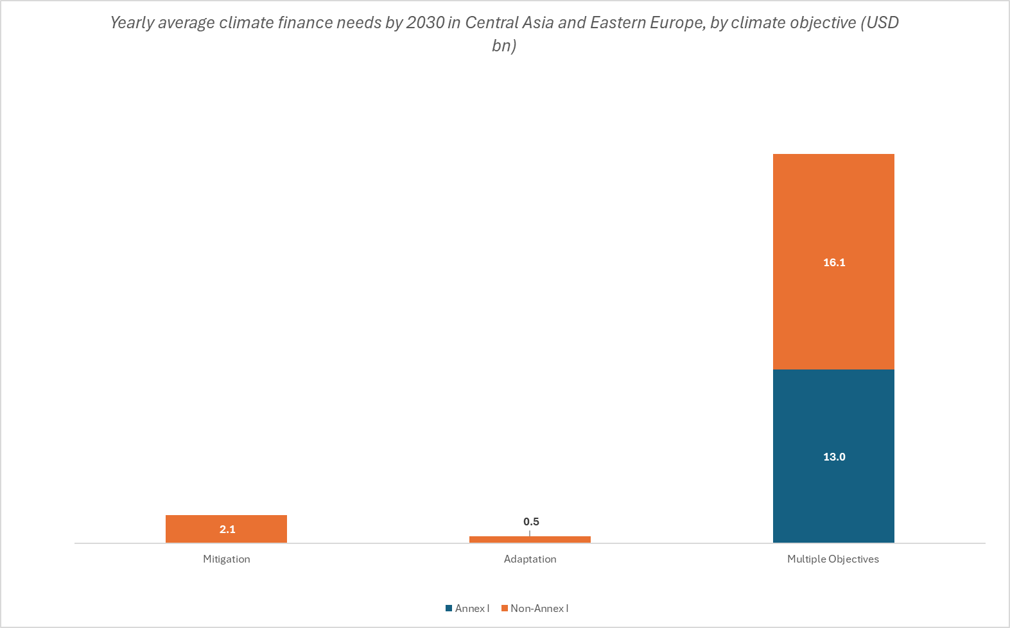
 |  | Yearly needs 2021-2030 (average scenario) 2022 USD bn |  |  |  | Cumulative needs 2021-2030 (average scenario) 2022 USD bn
 |  | Mitigation | Adaptation | Multiple Objectives | Total | Total
 | Annex I | - | - | 13.0 | 13.0 | 130.3
 | Ukraine | - | - | 13.0 | 13.0 | 130.3
 | Belarus | N/A | N/A | N/A | N/A | N/A
 | Russian Federation | N/A | N/A | N/A | N/A | N/A
 | Türkiye | N/A | N/A | N/A | N/A | N/A
 | Non-Annex I | 2.1 | 0.5 | 16.1 | 18.7 | 187.2
 | Bosnia and Herzegovina* | 0.8 | - | - | 0.8 | 8.3
 | Kazakhstan | - | - | 15.0 | 15.0 | 150.0
 | Kyrgyzstan | 0.8 | 0.3 | - | 1.1 | 10.9
 | Republic of Moldova | 0.5 | 0.2 | - | 0.7 | 6.8
 | Tajikistan | - | - | 1.1 | 1.1 | 10.8
 | Turkmenistan | - | 0.0 | - | 0.0 | 0.5
 | Albania | N/A | N/A | N/A | N/A | N/A
 | Armenia | N/A | N/A | N/A | N/A | N/A
 | Azerbaijan | N/A | N/A | N/A | N/A | N/A
 | Georgia | N/A | N/A | N/A | N/A | N/A
 | Montenegro | N/A | N/A | N/A | N/A | N/A
 | North Macedonia | N/A | N/A | N/A | N/A | N/A
 | Serbia | N/A | N/A | N/A | N/A | N/A
 | Uzbekistan | N/A | N/A | N/A | N/A | N/A
 | Total | 2.1 | 0.5 | 29.1 | 31.8 | 317.5
 | * Needs are partially costed

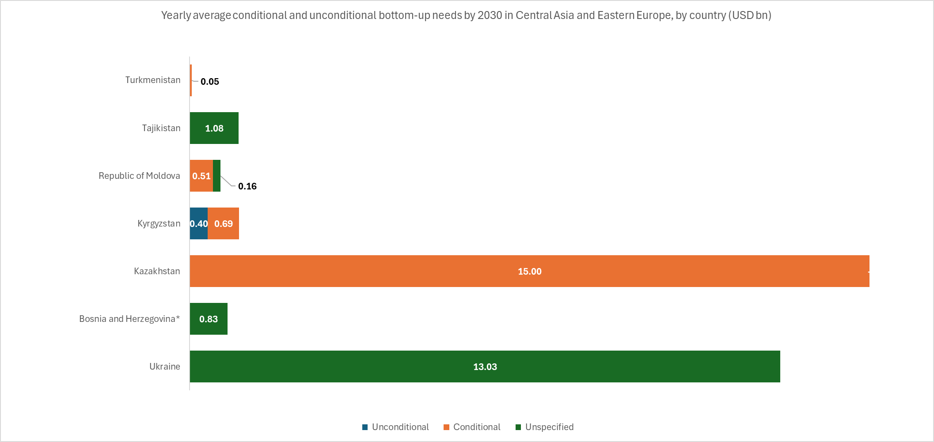
 | Average conditional and unconditional bottom-up climate finance needs by 2030 in Central Asia and Eastern Europe, by country (USD bn)

 |  | Yearly needs 2021-2030 (average scenario) 2022 USD bn |  |  |  | Cumulative needs 2021-2030 (average scenario) 2022 USD bn
 |  | Unconditional | Conditional | Unspecified | Total | Total
 | Annex I | - | - | 13.0 | 13.0 | 130.3
 | Ukraine | - | - | 13.0 | 13.0 | 130.3
 | Belarus | N/A | N/A | N/A | N/A | N/A
 | Russian Federation | N/A | N/A | N/A | N/A | N/A
 | Türkiye | N/A | N/A | N/A | N/A | N/A
 | Non-Annex I | 0.4 | 16.2 | 2.1 | 18.7 | 187.2
 | Bosnia and Herzegovina* | - | - | 0.8 | 0.8 | 8.3
 | Kazakhstan |  | 15.0 | - | 15.0 | 150.0
 | Kyrgyzstan | 0.4 | 0.7 | - | 1.1 | 10.9
 | Republic of Moldova | - | 0.5 | 0.2 | 0.7 | 6.8
 | Tajikistan | - | - | 1.1 | 1.1 | 10.8
 | Turkmenistan | - | 0.0 | - | 0.0 | 0.5
 | Albania | N/A | N/A | N/A | N/A | N/A
 | Armenia | N/A | N/A | N/A | N/A | N/A
 | Azerbaijan | N/A | N/A | N/A | N/A | N/A
 | Georgia | N/A | N/A | N/A | N/A | N/A
 | Montenegro | N/A | N/A | N/A | N/A | N/A
 | North Macedonia | N/A | N/A | N/A | N/A | N/A
 | Serbia | N/A | N/A | N/A | N/A | N/A
 | Uzbekistan | N/A | N/A | N/A | N/A | N/A
 | Total | 0.4 | 16.2 | 15.1 | 31.8 | 317.5
 | * Needs are partially costed

 | Bottom-up climate finance needs by 2030 in Central Asia and Eastern Europe, by sector (USD bn)
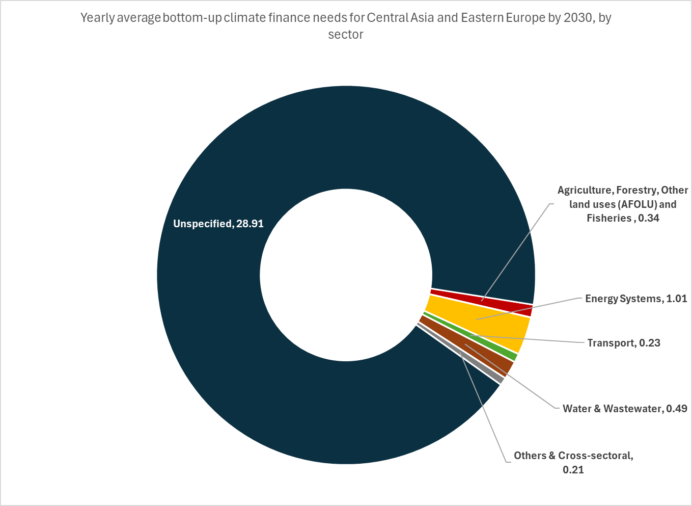
 | Sector | Coverage |  | Yearly needs 2021-2030 (average scenario) 2022 USD bn | Cumulative needs 2021-2030 (average scenario) 2022 USD bn

 |  | # countries/NDCs considered | % needs estimate coverage (out of total regional countries/NDCs)
 | Agriculture, Forestry, Other land uses (AFOLU) and Fisheries | 3 | 17% | 0.3 | 3.4
 | Buildings & Infrastructure | 2 | 11% | 0.0 | 0.1
 | Energy Systems | 3 | 17% | 1.0 | 10.1
 | Industry | 1 | 6% | 0.0 | 0.0
 | ICT | 0 | 0% | - | -
 | Transport | 2 | 11% | 0.2 | 2.3
 | Waste | 1 | 6% | 0.0 | 0.0
 | Water & Wastewater | 3 | 17% | 0.5 | 4.9
 | Biodiversity, Land & Marine Conservation | 1 | 6% | 0.0 | 0.0
 | Policy & National Budget Support & Capacity Building | 0 | 0% | - | -
 | Disaster-risk Management | 3 | 17% | 0.0 | 0.0
 | Others & Cross-sectoral | 2 | 11% | 0.2 | 2.1
 | Unspecified | 4 | 22% | 28.9 | 289.1
 | Total |  |  | 31.2 | 311.9

East Asia and Pacific
Bottom-up climate finance needs for East Asia and Pacific

Region scope and coverage 2021-2030

 |  | Annex I | Non-Annex I | Total |  |  |  | Annex I | Non-Annex I | Total
 | Number of NDCs in region | 1 | 29 | 30 |  | Number of NDCs in region |  | 1 | 29 | 30
 | Needs quantified | 0 | 16 | 16 |  | Needs quantified |  | 0 | 16 | 16
 | # of countries fully costed | 0 | 10 | 11 |  | Both Mitigation and Adaptation |  | 0 | 9 | 9
 | # of countries partially costed | 0 | 6 | 7 |  | Mitigation only |  | 0 | 6 | 7
 | No needs quantified | 1 | 13 | 14 |  | Adaptation Only |  | 0 | 1 | 2
 | For a full list of Annex I and non-Annex I countries please refer to: |  | UNFCCC Clasificcation |  |  | No needs quantified |  | 1 | 13 | 14

 | Bottom-up needs availability and coverage by country
 | Please use the filer provided to navigate and sort the information in the table.

 | Country | Region | UNFCCC Classification | Needs quantified? | Data coverage | Timeframe | Thematic Coverage (Mitigation/Adaptation) | Sectoral breakdown available? | Sectors
...
 |  |  |  |  |  |  |  |  | AFOLU | Buildings & Infrastructure | Energy Systems | Industry | ICT | Transport | Waste | Water & Wastewater | Others & Cross-sectoral
 | Viet Nam | East Asia and Pacific | non-Annex I | Yes | Fully costed | 2021-2030 | Both | Yes | Y | N | Y | Y | N | N | Y | N | Y
 | For more information on scope and coverage, please see: |  | Summary of NDCs
...
 | Average bottom-up climate finance needs by 2030 in East Asia and Pacific, by country and objective (USD bn)

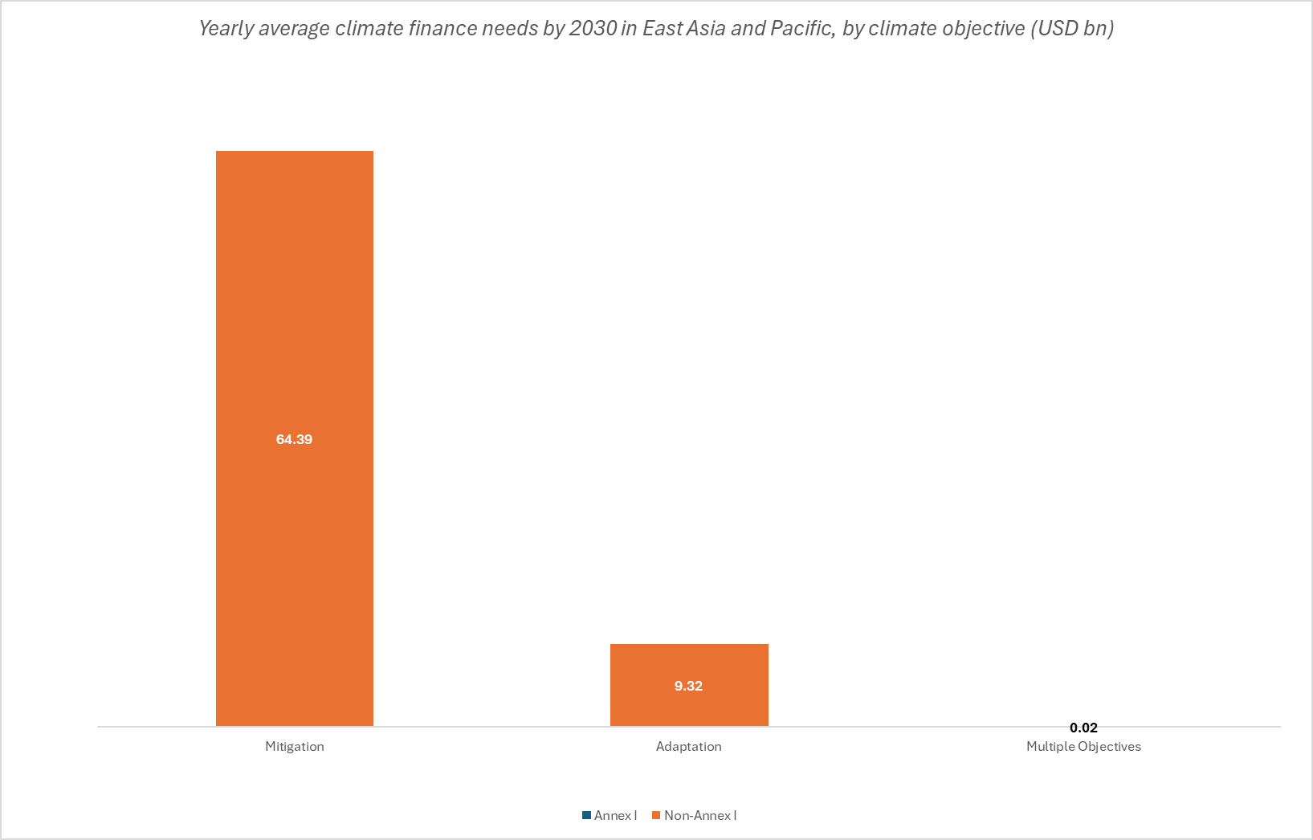
 |  | Yearly needs 2021-2030 (average scenario) 2022 USD bn |  |  |  | Cumulative needs 2021-2030 (average scenario) 2022 USD bn
 |  | Mitigation | Adaptation | Multiple Objectives | Total | Total
 | Annex I | N/A | N/A | N/A | N/A | N/A
 | Japan | N/A | N/A | N/A | N/A | N/A
 | Non-Annex I | 64.4 | 9.3 | 0.0 | 73.7 | 737.3
 | Cambodia | 0.6 | 0.2 | - | 0.8 | 8.0
 | Fiji | 0.3 | - | - | 0.3 | 2.5
 | Indonesia | 47.0 | - | - | 47.0 | 470.2
 | Kiribati* | 0.0 | - | - | 0.0 | 0.2
 | Korea, Republic | 4.9 | - | - | 4.9 | 48.7
 | Lao People's Democratic Republic | 0.5 | - | 0.0 | 0.5 | 5.1
 | Micronesia (Federated States of)* | 0.0 | 0.0 | - | 0.0 | 0.5
 | Mongolia | 0.6 | 0.5 | - | 1.2 | 11.8
 | Myanmar* | 0.6 | 0.0 | - | 0.6 | 5.7
 | Nauru* | - | 0.0 | 0.0 | 0.0 | 0.1
 | Palau* | 0.0 | - | - | 0.0 | 0.0
 | Papua New Guinea | 0.0 | 0.2 | - | 0.2 | 2.2
 | Solomon Islands | - | 0.0 | - | 0.0 | 0.1
 | Tuvalu* | 0.0 | 0.0 | - | 0.0 | 0.0
 | Vanuatu | 0.0 | 0.1 | - | 0.1 | 1.0
 | Viet Nam | 9.8 | 8.3 | - | 18.1 | 181.1
 | Brunei Darussalam | N/A | N/A | N/A | N/A | N/A
 | China | N/A | N/A | N/A | N/A | N/A
 | Cook Islands | N/A | N/A | N/A | N/A | N/A
 | Korea, Democratic People's Republic | N/A | N/A | N/A | N/A | N/A
 | Malaysia** | N/A | N/A | N/A | N/A | N/A
 | Marshall Islands | N/A | N/A | N/A | N/A | N/A
 | Niue** | N/A | N/A | N/A | N/A | N/A
 | Philippines | N/A | N/A | N/A | N/A | N/A
 | Samoa | N/A | N/A | N/A | N/A | N/A
 | Singapore | N/A | N/A | N/A | N/A | N/A
 | Thailand | N/A | N/A | N/A | N/A | N/A
 | Timor-Leste | N/A | N/A | N/A | N/A | N/A
 | Tonga | N/A | N/A | N/A | N/A | N/A
 | Total | 64.4 | 9.3 | 0.0 | 73.7 | 737.3
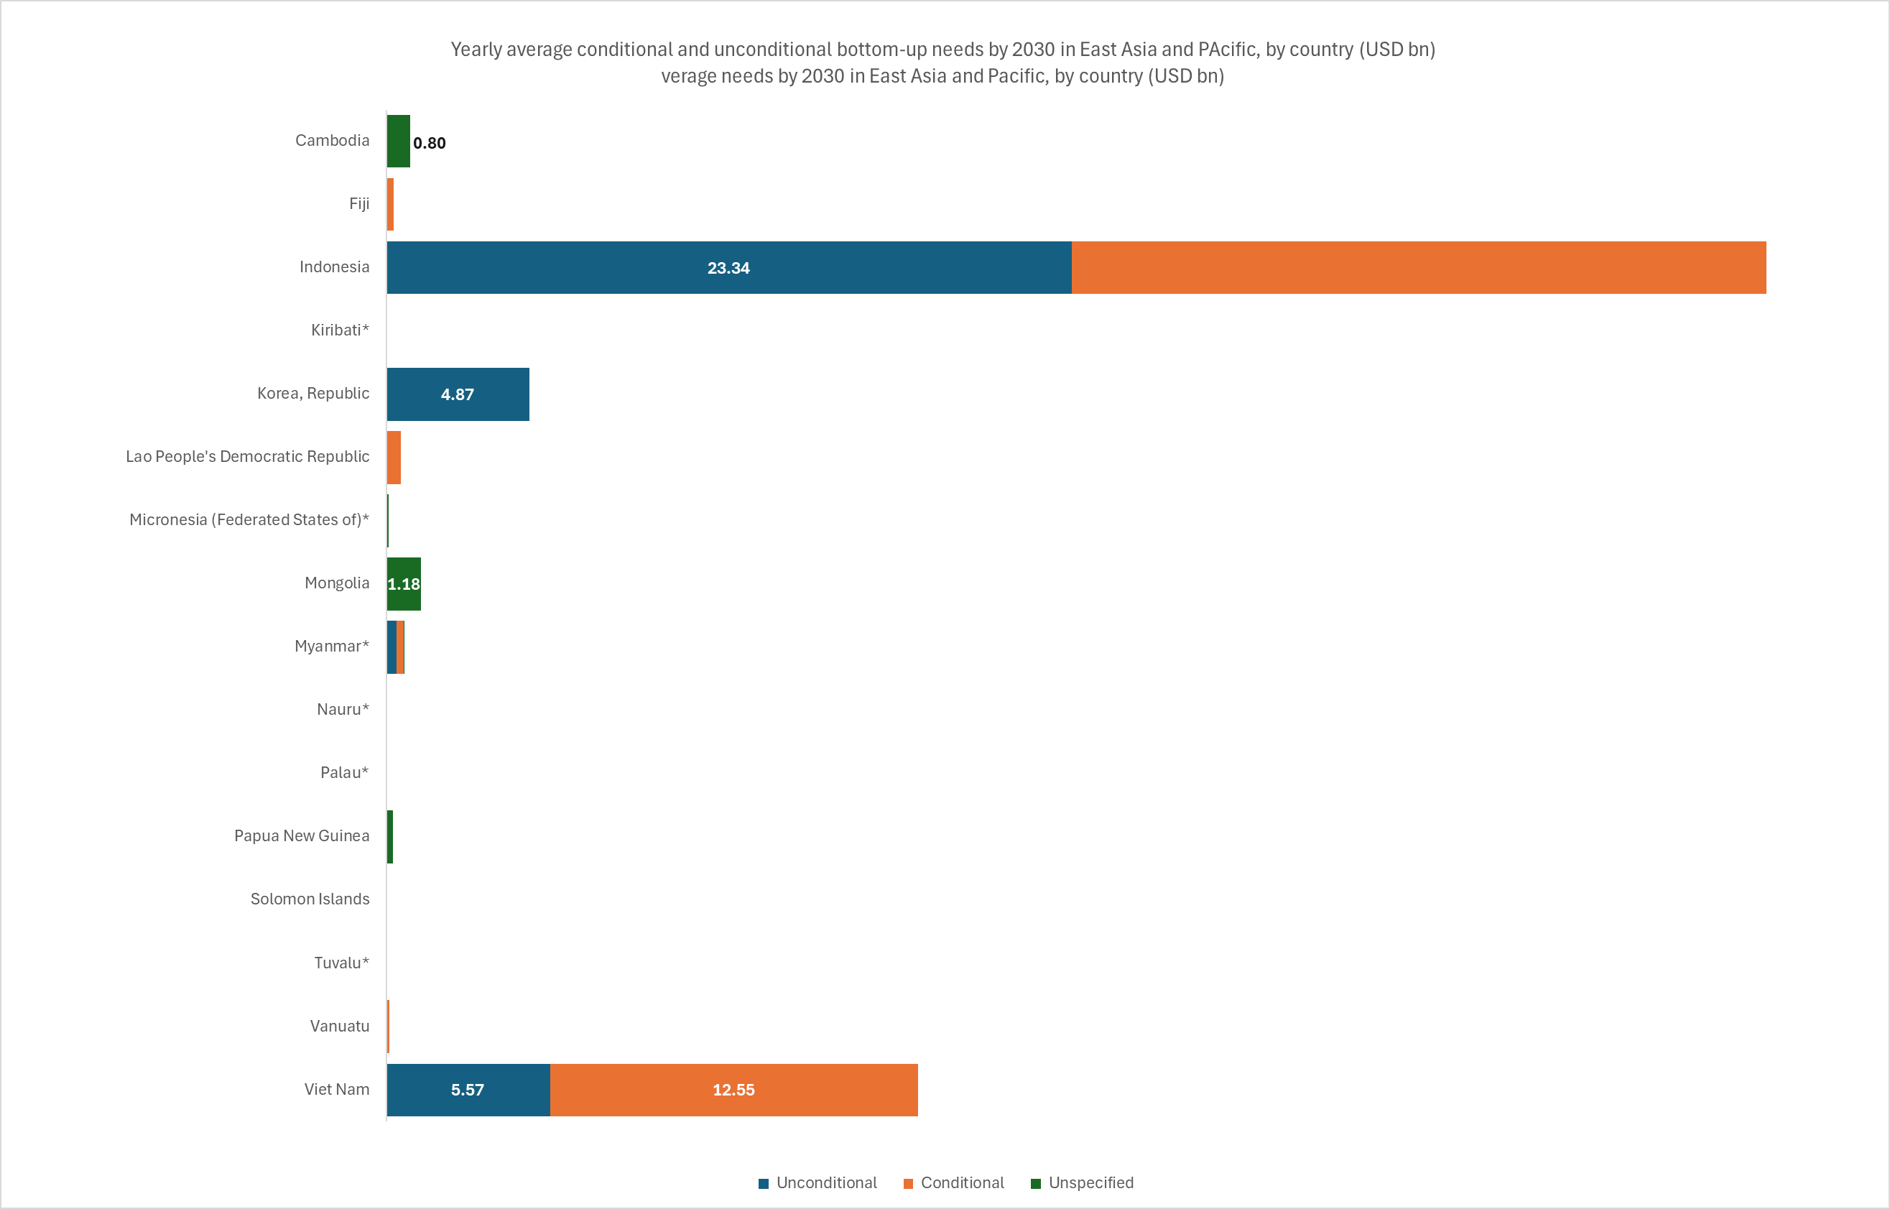
 | * Needs are partially costed
 | ** Quantified needs prior to 2021

 | Average conditional and unconditional bottom-up climate finance needs by 2030 in East Asia and Pacific, by country (USD bn)

 |  | Yearly needs 2021-2030 (average scenario) 2022 USD bn |  |  |  | Cumulative needs 2021-2030 (average scenario) 2022 USD bn
 |  | Unconditional | Conditional | Unspecified | Total | Total
 | Annex I | N/A | N/A | N/A | N/A | N/A
 | Japan | N/A | N/A | N/A | N/A | N/A
 | Non-Annex I | 34.1 | 37.3 | 2.3 | 73.7 | 737.3
 | Cambodia | - | 0.0 | 0.8 | 0.8 | 8.0
 | Fiji | - | 0.3 | - | 0.3 | 2.5
 | Indonesia | 23.3 | 23.7 | - | 47.0 | 470.2
 | Kiribati* | - | - | 0.0 | 0.0 | 0.2
 | Korea, Republic | 4.9 | - | - | 4.9 | 48.7
 | Lao People's Democratic Republic | - | 0.5 | - | 0.5 | 4.9
 | Micronesia (Federated States of)* | - | 0.0 | 0.1 | 0.1 | 0.7
 | Mongolia | - | - | 1.2 | 1.2 | 11.8
 | Myanmar* | 0.3 | 0.2 | 0.0 | 0.6 | 5.7
 | Nauru* | 0.0 | 0.0 | - | 0.0 | 0.1
 | Palau* | - | - | 0.0 | 0.0 | 0.0
 | Papua New Guinea | - | - | 0.2 | 0.2 | 2.2
 | Solomon Islands | - | - | 0.0 | 0.0 | 0.1
 | Tuvalu* | 0.0 | - | - | 0.0 | 0.0
 | Vanuatu | 0.0 | 0.1 | - | 0.1 | 1.0
 | Viet Nam | 5.6 | 12.5 | - | 18.1 | 181.1
 | Brunei Darussalam | N/A | N/A | N/A | N/A | N/A
 | China | N/A | N/A | N/A | N/A | N/A
 | Cook Islands | N/A | N/A | N/A | N/A | N/A
 | Korea, Democratic People's Republic | N/A | N/A | N/A | N/A | N/A
 | Malaysia** | N/A | N/A | N/A | N/A | N/A
 | Marshall Islands | N/A | N/A | N/A | N/A | N/A
 | Niue** | N/A | N/A | N/A | N/A | N/A
 | Philippines | N/A | N/A | N/A | N/A | N/A
 | Samoa | N/A | N/A | N/A | N/A | N/A
 | Singapore | N/A | N/A | N/A | N/A | N/A
 | Thailand | N/A | N/A | N/A | N/A | N/A
 | Timor-Leste | N/A | N/A | N/A | N/A | N/A
 | Tonga | N/A | N/A | N/A | N/A | N/A
 | Total | 34.1 | 37.3 | 2.3 | 73.7 | 737.3
 | * Needs are partially costed
 | ** Quantified needs prior to 2021

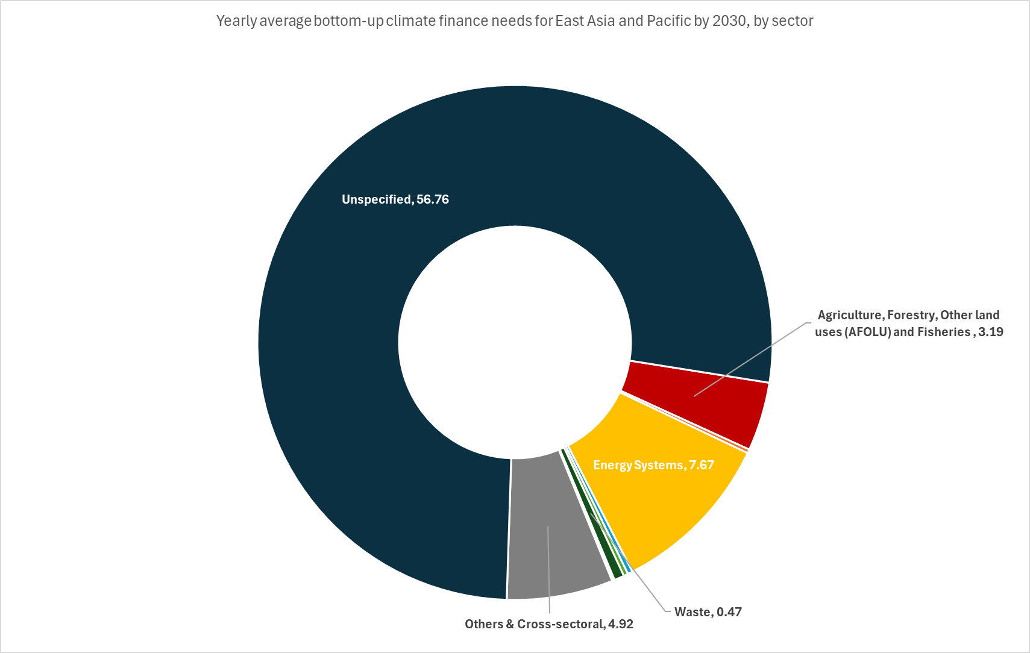
 | Bottom-up climate finance needs by 2030 in East Asia and Pacific, by sector (USD bn)

 | Sector | Coverage |  | Yearly needs 2021-2030 (average scenario) 2022 USD bn | Cumulative needs 2021-2030 (average scenario) 2022 USD bn

 |  | # countries/NDCs considered | % needs estimate coverage (out of total regional countries/NDCs)
 | Agriculture, Forestry, Other land uses (AFOLU) and Fisheries | 7 | 23% | 3.2 | 31.9
 | Buildings & Infrastructure | 6 | 20% | 0.2 | 1.8
 | Energy Systems | 9 | 30% | 7.7 | 76.7
 | Industry | 3 | 10% | 0.2 | 2.3
 | ICT | 1 | 3% | 0.0 | 0.0
 | Transport | 8 | 27% | 0.2 | 2.0
 | Waste | 6 | 20% | 0.5 | 4.7
 | Water & Wastewater | 4 | 13% | 0.1 | 0.8
 | Biodiversity, Land & Marine Conservation | 5 | 17% | 0.0 | 0.1
 | Disaster-risk Management | 2 | 7% | 0.0 | 0.1
 | Policy & National Budget Support & Capacity Building | 3 | 10% | 0.0 | 0.1
 | Others & Cross-sectoral | 6 | 20% | 4.9 | 49.2
 | Unspecified | 7 | 23% | 56.8 | 567.6
 | Total |  |  | 73.7 | 737.3

Latin America and Caribbean
...
Country | Region | UNFCCC Classification | Needs quantified? | Data coverage | Timeframe | Thematic Coverage (Mitigation/Adaptation) | Sectoral breakdown available? | Sectors
Uruguay | Latin America and Caribbean | non-Annex I | No | N/A | N/A | None | N/A | N/A | N/A | N/A | N/A | N/A | N/A | N/A | N/A | N/A
Venezuela (Bolivarian Republic of) | Latin America and Caribbean | non-Annex I | Yes | Partially costed | 2006-2030 | Mitigation only | Yes | Y | N | Y | N | N | Y | N | N | N
For more information on scope and coverage, please see: |  | Summary of NDCs
...
Average bottom-up climate finance needs by 2030 in Latin America and Caribbean, by country and objective (USD bn)

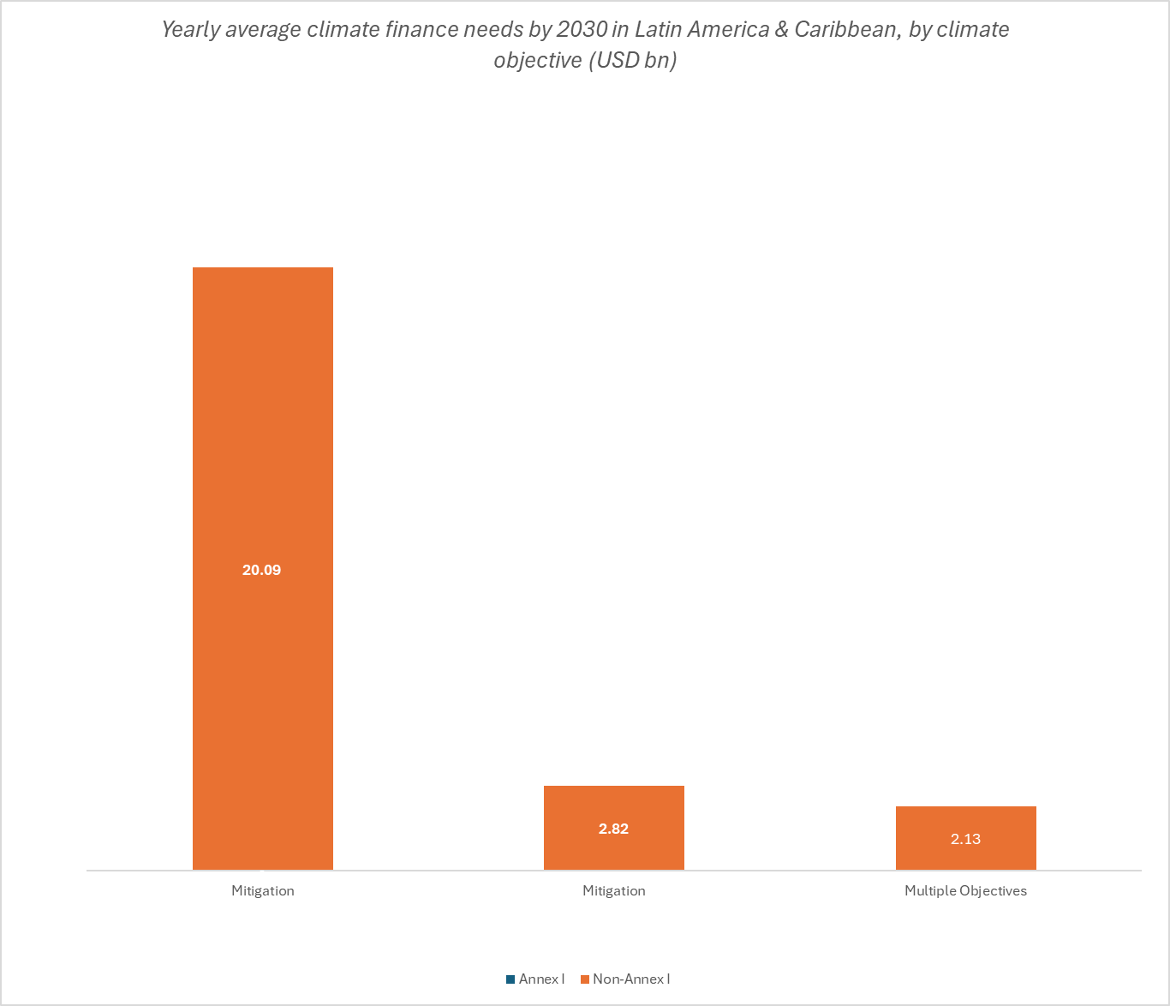
 | Yearly needs 2021-2030 (average scenario) 2022 USD bn |  |  |  | Cumulative needs 2021-2030 (average scenario) 2022 USD bn
 | Mitigation | Adaptation | Multiple Objectives | Total | Total
Annex I | N/A | N/A | N/A | N/A | N/A
N/A | N/A | N/A | N/A | N/A | N/A
Non-Annex I | 19.8 | 2.8 | 2.1 | 25.0 | 250.5
Antigua and Barbuda | - | - | 0.1 | 0.1 | 1.3
Bahamas | - | - | 0.4 | 0.4 | 3.6
Barbados* | 0.0 | - | - | 0.0 | 0.2
Belize | 0.1 | 0.0 | - | 0.1 | 1.5
Colombia* | - | 0.0 | 0.0 | 0.0 | 0.2
Cuba | 1.4 | - | - | 1.4 | 13.8
Dominica* | 0.0 | 0.1 | - | 0.1 | 1.4
Dominican Republic | 0.9 | 1.0 | - | 1.9 | 18.6
El Salvador* | - | 0.0 | 0.0 | 0.0 | 0.1
Grenada | 0.1 | - | - | 0.1 | 1.0
Guatemala | - | - | 1.5 | 1.5 | 15.4
Guyana | - | 0.1 | - | 0.1 | 1.0
Haiti | 0.5 | 1.4 | - | 1.9 | 18.6
Mexico | 16.8 | - | - | 16.8 | 168.2
Nicaragua* | - | 0.2 | - | 0.2 | 1.7
Saint Kitts and Nevis | 0.1 | 0.0 | - | 0.1 | 0.9
Saint Lucia | 0.0 | - | - | 0.0 | 0.4
Suriname* | - | - | 0.1 | 0.1 | 0.7
Trinidad and Tobago | 0.2 | - | - | 0.2 | 1.8
Venezuela (Bolivarian Republic of)* | 0.0 | - | - | 0.0 | 0.1
Argentina | N/A | N/A | N/A | N/A | N/A
Bolivia (Plurinational State of) | N/A | N/A | N/A | N/A | N/A
Brazil | N/A | N/A | N/A | N/A | N/A
Chile | N/A | N/A | N/A | N/A | N/A
Costa Rica | N/A | N/A | N/A | N/A | N/A
Ecuador | N/A | N/A | N/A | N/A | N/A
Honduras | N/A | N/A | N/A | N/A | N/A
Jamaica | N/A | N/A | N/A | N/A | N/A
Panama | N/A | N/A | N/A | N/A | N/A
Paraguay | N/A | N/A | N/A | N/A | N/A
Peru | N/A | N/A | N/A | N/A | N/A
Saint Vincent and the Grenadines** | N/A | N/A | N/A | N/A | N/A
Uruguay | N/A | N/A | N/A | N/A | N/A
Total | 19.8 | 2.8 | 2.1 | 25.0 | 250.5
* Needs are partially costed
** Cost needs prior to 2021
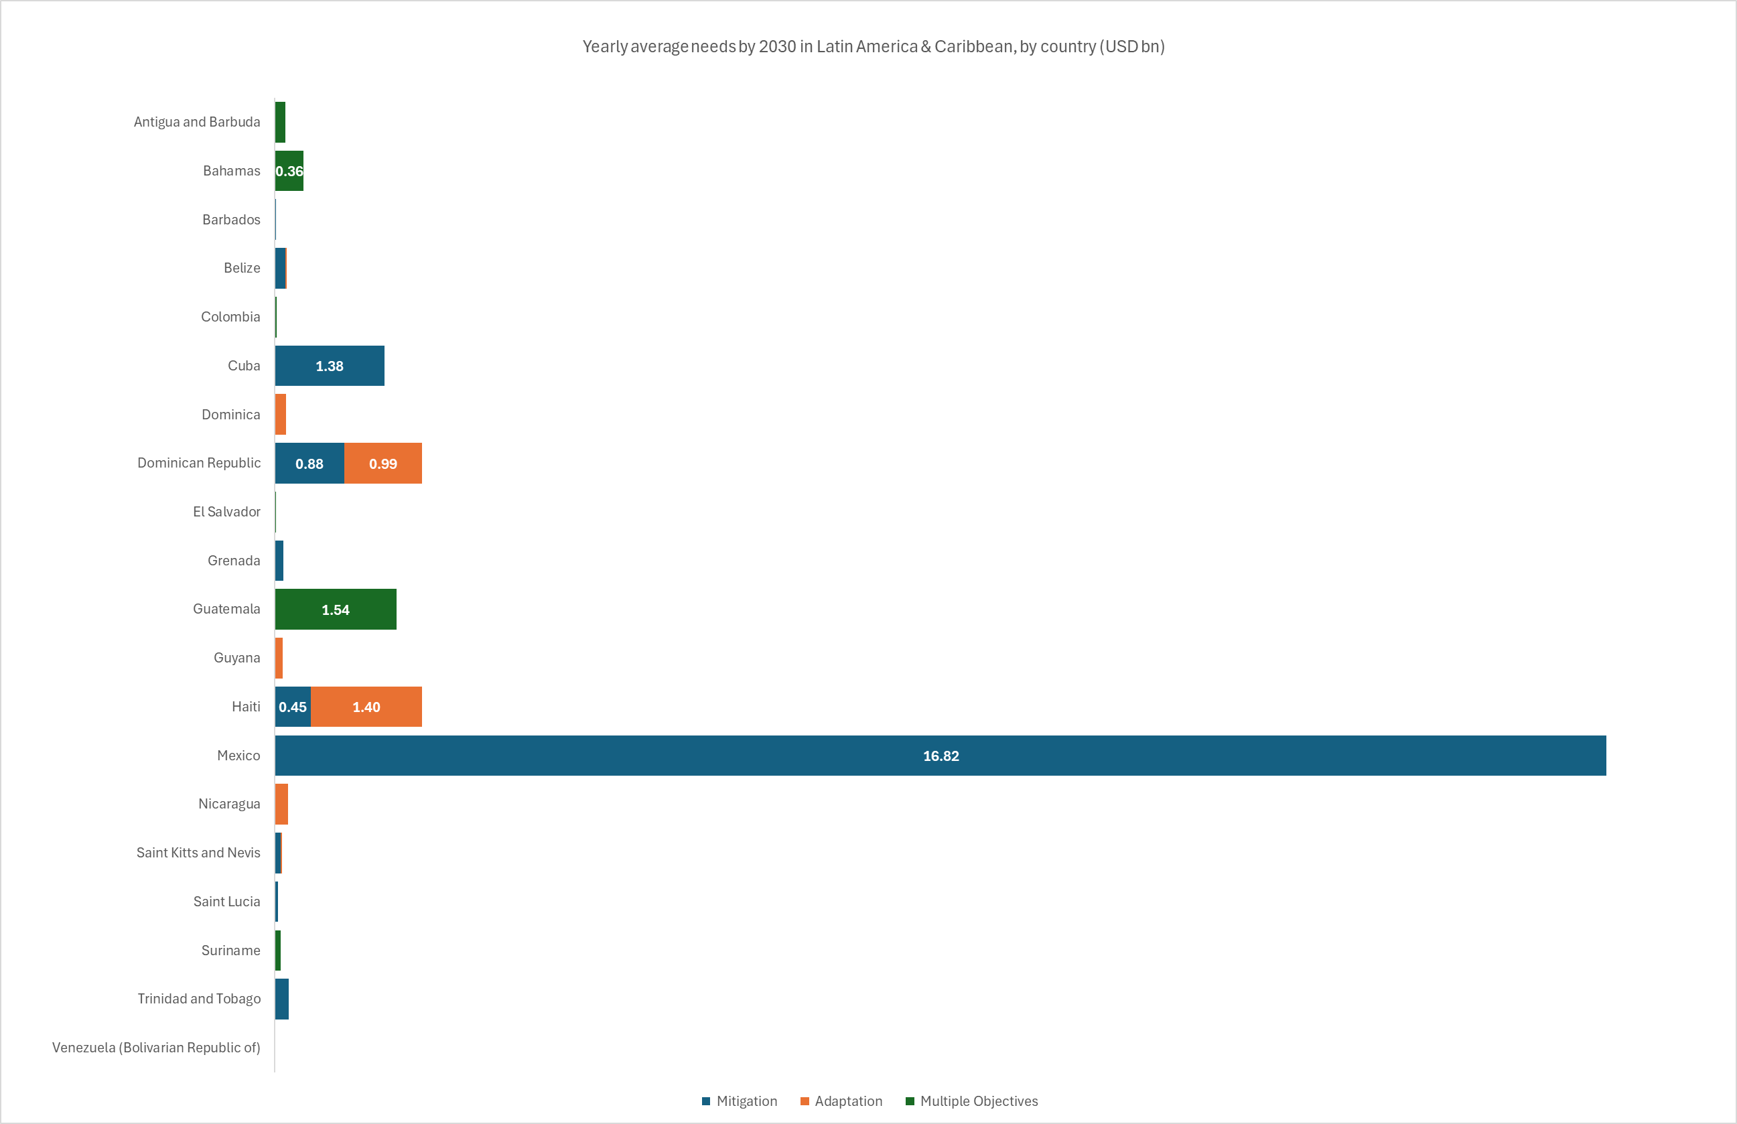

Average conditional and unconditional bottom-up climate finance needs by 2030 in Latin America and Caribbean, by country (USD bn)

 | Yearly needs 2021-2030 (average scenario) 2022 USD bn |  |  |  | Cumulative needs 2021-2030 (average scenario) 2022 USD bn
 | Unconditional | Conditional | Unspecified | Total | Total
Annex I | N/A | N/A | N/A | N/A | N/A
N/A | N/A | N/A | N/A | N/A | N/A
Non-Annex I | 0.9 | 2.5 | 21.3 | 25.0 | 250.5
Antigua and Barbuda | - | - | 0.1 | 0.1 | 1.3
Bahamas | - | - | 0.4 | 0.4 | 3.6
Barbados* | 0.0 | - | - | 0.0 | 0.2
Belize | - | - | 0.1 | 0.1 | 1.5
Colombia* | - | - | 0.0 | 0.0 | 0.2
Cuba | 0.5 | 0.8 | - | 1.4 | 13.8
Dominica* | - | - | 0.1 | 0.1 | 1.4
Dominican Republic | - | - | 1.9 | 1.9 | 18.6
El Salvador* | - | - | 0.0 | 0.0 | 0.1
Grenada | - | - | 0.1 | 0.1 | 1.0
Guatemala | - | - | 1.5 | 1.5 | 15.4
Guyana | - | 0.1 | - | 0.1 | 1.0
Haiti | 0.3 | 1.5 | - | 1.9 | 18.6
Mexico | - | - | 16.8 | 16.8 | 168.2
Nicaragua* | - | - | 0.2 | 0.2 | 1.7
Saint Kitts and Nevis | - | 0.1 | - | 0.1 | 0.9
Saint Lucia | - | 0.0 | - | 0.0 | 0.4
Suriname* | - | - | 0.1 | 0.1 | 0.7
Trinidad and Tobago | - | - | 0.2 | 0.2 | 1.8
Venezuela (Bolivarian Republic of)* | - | - | 0.0 | 0.0 | 0.1
Argentina | N/A | N/A | N/A | N/A | N/A
Bolivia (Plurinational State of) | N/A | N/A | N/A | N/A | N/A
Brazil | N/A | N/A | N/A | N/A | N/A
Chile | N/A | N/A | N/A | N/A | N/A
Costa Rica | N/A | N/A | N/A | N/A | N/A
Ecuador | N/A | N/A | N/A | N/A | N/A
Honduras | N/A | N/A | N/A | N/A | N/A
Jamaica | N/A | N/A | N/A | N/A | N/A
Panama | N/A | N/A | N/A | N/A | N/A
Paraguay | N/A | N/A | N/A | N/A | N/A
Peru | N/A | N/A | N/A | N/A | N/A
Saint Vincent and the Grenadines** | N/A | N/A | N/A | N/A | N/A
Uruguay | N/A | N/A | N/A | N/A | N/A
Total | 0.9 | 2.5 | 21.3 | 25.0 | 250.5
* Needs are partially costed
** Quantified needs prior to 2021

Bottom-up climate finance needs by 2030 in Latin America and Caribbean, by sector (USD bn)

Sector | Coverage |  | Yearly needs 2021-2030 (average scenario) 2022 USD bn | Cumulative needs 2021-2030 (average scenario) 2022 USD bn

 | # countries/NDCs considered | % needs estimate coverage (out of total regional countries/NDCs)
Agriculture, Forestry, Other land uses (AFOLU) and Fisheries | 11 | 33% | 2.1 | 21.1
Buildings & Infrastructure | 7 | 21% | 0.4 | 4.1
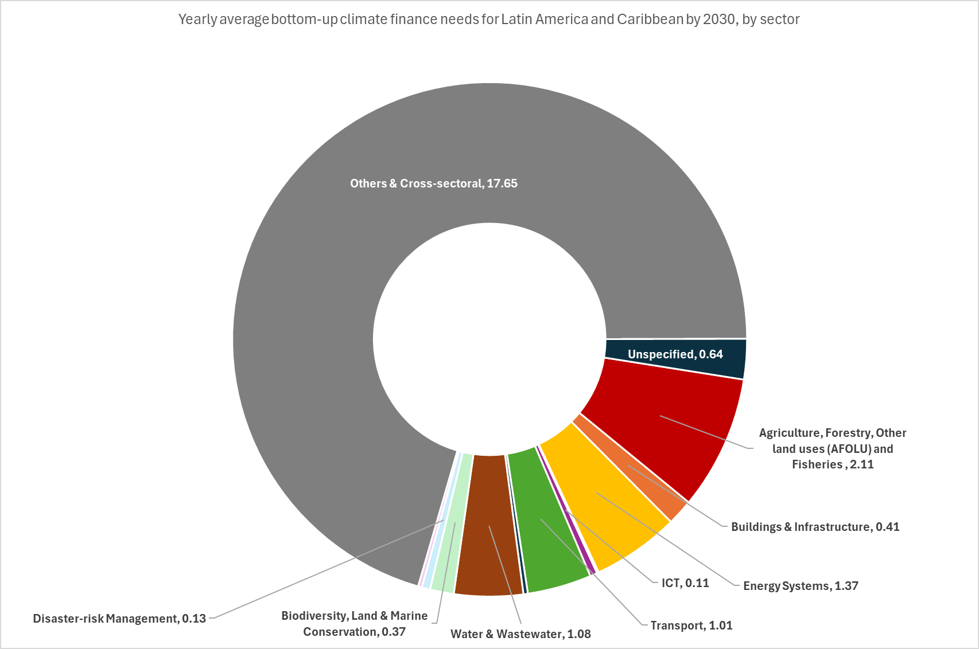
Energy Systems | 9 | 27% | 1.4 | 13.7
Industry | 2 | 6% | 0.0 | 0.3
ICT | 3 | 9% | 0.1 | 1.1
Transport | 8 | 24% | 1.0 | 10.1
Waste | 3 | 9% | 0.1 | 0.7
Water & Wastewater | 8 | 24% | 1.1 | 10.8
Biodiversity, Land & Marine Conservation | 7 | 21% | 0.4 | 3.7
Disaster-risk Management | 4 | 12% | 0.1 | 1.3
Policy & National Budget Support & Capacity Building | 4 | 12% | 0.1 | 0.6
Others & Cross-sectoral | 8 | 24% | 17.7 | 176.5
Unspecified | 4 | 12% | 0.6 | 6.4
Total |  |  | 25.0 | 250.5

Middle East and North Africa
...
Country | Region | UNFCCC Classification | Needs quantified? | Data coverage | Timeframe | Thematic Coverage (Mitigation/Adaptation) | Sectoral breakdown available? | Sectors
United Arab Emirates | Middle East and North Africa | non-Annex I | Yes | Fully costed | 2020-2030 | Mitigation only | No | N/A | N/A | N/A | N/A | N/A | N/A | N/A | N/A | N/A
For more information on scope and coverage, please see: |  | Summary of NDCs
...
Average bottom-up climate finance needs by 2030 in Middle East and North Africa, by country and objective (USD bn)

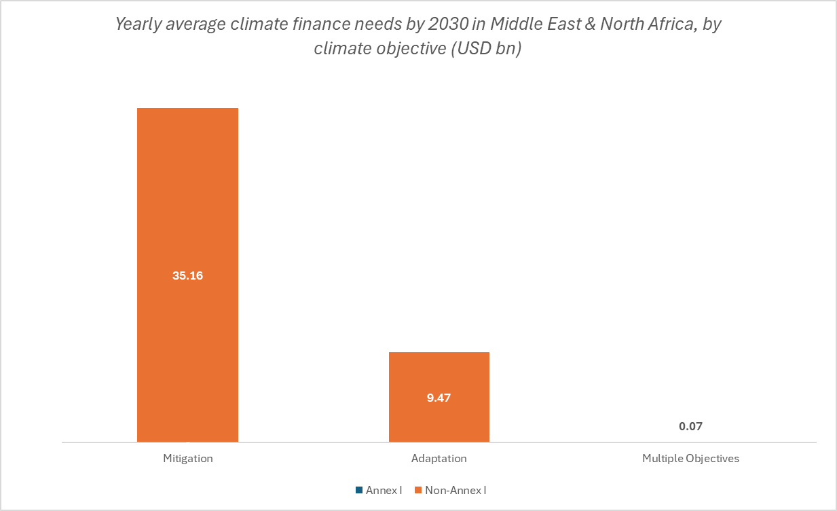
 | Yearly needs 2021-2030 (average scenario) 2022 USD bn |  |  |  | Cumulative needs 2021-2030 (average scenario) 2022 USD bn
 | Mitigation | Adaptation | Multiple Objectives | Total | Total
Annex I | N/A | N/A | N/A | N/A | N/A
N/A | N/A | N/A | N/A | N/A | N/A
Non-Annex I | 35.2 | 9.5 | 0.1 | 44.7 | 447.1
Egypt | 18.8 | 4.8 | - | 23.6 | 236.2
Jordan | 0.7 | 0.0 | - | 0.8 | 7.7
Morocco | 3.5 | 3.9 | - | 7.4 | 74.5
Oman* | 7.1 | 0.4 | - | 7.6 | 75.6
State of Palestine | 0.4 | 0.0 | - | 0.4 | 3.6
Tunisia | 1.4 | 0.3 | 0.1 | 1.8 | 17.7
United Arab Emirates | 3.2 | - | - | 3.2 | 31.8
Algeria | N/A | N/A | N/A | N/A | N/A
Bahrain | N/A | N/A | N/A | N/A | N/A
Iraq | N/A | N/A | N/A | N/A | N/A
Israel | N/A | N/A | N/A | N/A | N/A
23.62
Kuwait | N/A | N/A | N/A | N/A | N/A
Lebanon | N/A | N/A | N/A | N/A | N/A
Qatar | N/A | N/A | N/A | N/A | N/A
Saudi Arabia | N/A | N/A | N/A | N/A | N/A
Syrian Arab Republic | N/A | N/A | N/A | N/A | N/A
Total | 35.2 | 9.5 | 0.1 | 44.7 | 447.1
* Needs are partially costed

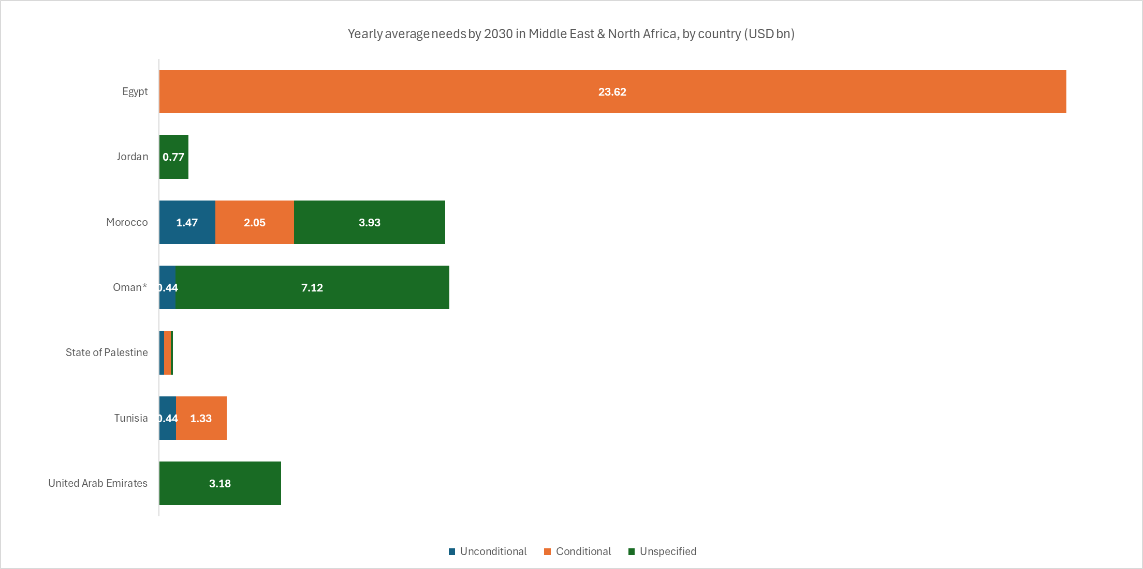

Average conditional and unconditional bottom-up climate finance needs by 2030 in Middle Easte and North Africa, by country (USD bn)

 | Yearly needs 2021-2030 (average scenario) 2022 USD bn |  |  |  | Cumulative needs 2021-2030 (average scenario) 2022 USD bn
 | Unconditional | Conditional | Unspecified | Total | Total
Annex I | N/A | N/A | N/A | N/A | N/A
N/A | N/A | N/A | N/A | N/A | N/A
Non-Annex I | 2.5 | 27.2 | 15.1 | 44.7 | 447.1
Egypt | - | 23.6 | - | 23.6 | 236.2
Jordan | - | - | 0.8 | 0.8 | 7.7
Morocco | 1.5 | 2.0 | 3.9 | 7.4 | 74.5
Oman* | 0.4 | - | 7.1 | 7.6 | 75.6
State of Palestine | 0.1 | 0.2 | 0.1 | 0.4 | 3.6
Tunisia | 0.4 | 1.3 | 0.0 | 1.8 | 17.7
United Arab Emirates | - | - | 3.2 | 3.2 | 31.8
Algeria | N/A | N/A | N/A | N/A | N/A
Bahrain | N/A | N/A | N/A | N/A | N/A
Iraq | N/A | N/A | N/A | N/A | N/A
Israel | N/A | N/A | N/A | N/A | N/A
Kuwait | N/A | N/A | N/A | N/A | N/A
Lebanon | N/A | N/A | N/A | N/A | N/A
Qatar | N/A | N/A | N/A | N/A | N/A
Saudi Arabia | N/A | N/A | N/A | N/A | N/A
Syrian Arab Republic | N/A | N/A | N/A | N/A | N/A
Total | 2.5 | 27.2 | 15.1 | 44.7 | 447.1
* Needs are partially costed

Bottom-up climate finance needs by 2030 in Middle East and North Africa, by sector (USD bn)

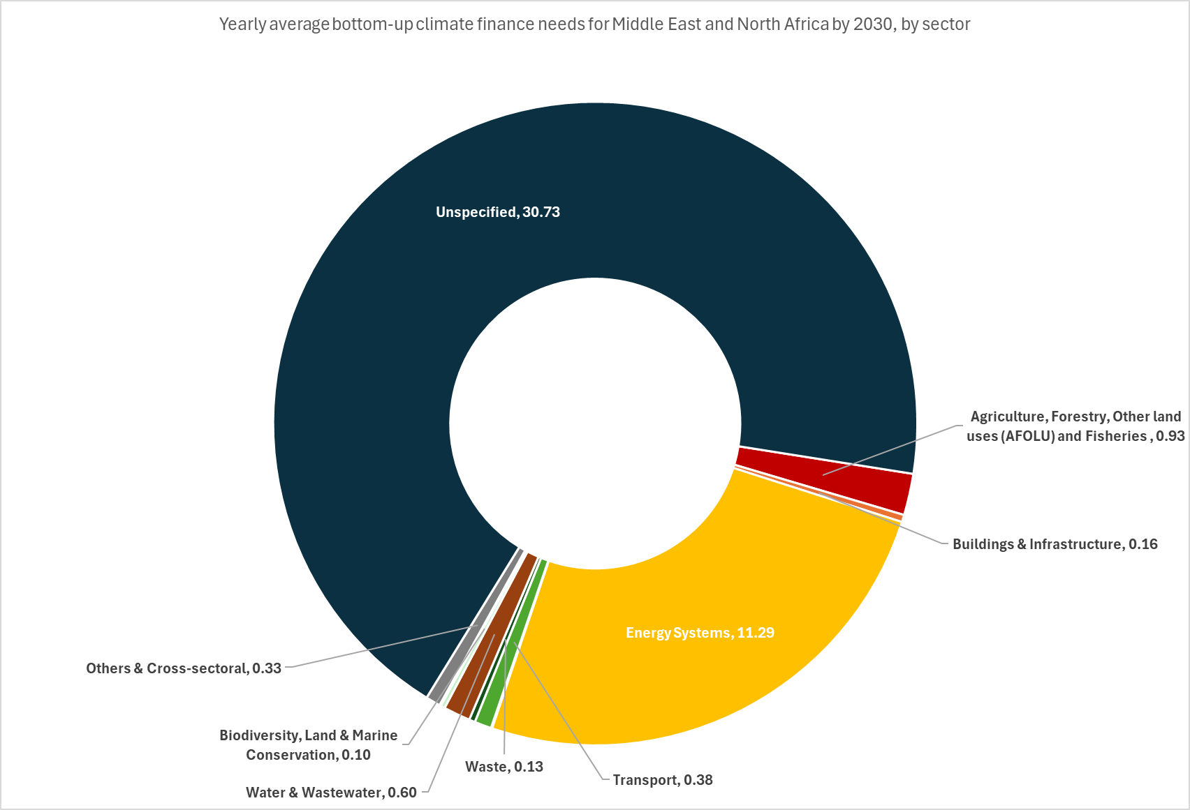
Sector | Coverage |  | Yearly needs 2021-2030 (average scenario) 2022 USD bn | Cumulative needs 2021-2030 (average scenario) 2022 USD bn

 | # countries/NDCs considered | % needs estimate coverage (out of total regional countries/NDCs)
Agriculture, Forestry, Other land uses (AFOLU) and Fisheries | 5 | 31% | 0.9 | 9.3
Buildings & Infrastructure | 2 | 13% | 0.2 | 1.6
Energy Systems | 5 | 31% | 11.3 | 112.9
Industry | 2 | 13% | 0.0 | 0.2
ICT | 3 | 19% | - | -
Transport | 3 | 19% | 0.4 | 3.8
Waste | 3 | 19% | 0.1 | 1.3
Water & Wastewater | 4 | 25% | 0.6 | 6.0
Biodiversity, Land & Marine Conservation | 3 | 19% | 0.1 | 1.0
Disaster-risk Management | 1 | 6% | 0.0 | 0.2
Policy & National Budget Support & Capacity Building | 2 | 13% | 0.0 | 0.1
Others & Cross-sectoral | 4 | 25% | 0.3 | 3.3
Unspecified | 3 | 19% | 30.7 | 307.3
Total |  |  | 44.7 | 447.1

South Asia
...
Country | Region | UNFCCC Classification | Needs quantified? | Data coverage | Timeframe | Thematic Coverage (Mitigation/Adaptation) | Sectoral breakdown available? | Sectors
Nepal | South Asia | non-Annex I | Yes | Fully costed | 2021-2030 | Mitigation only | No | N/A | N/A | N/A | N/A | N/A | N/A | N/A | N/A | N/A
Pakistan | South Asia | non-Annex I | Yes | Fully costed | 2020-2030 | Both | No | N/A | N/A | N/A | N/A | N/A | N/A | N/A | N/A | N/A
Sri Lanka | South Asia | non-Annex I | No | N/A | N/A | None | N/A | N/A | N/A | N/A | N/A | N/A | N/A | N/A | N/A | N/A
For more information on scope and coverage, please see: |  | Summary of NDCs
...
Average bottom-up climate finance needs by 2030 in South Asia, by country and objective (USD bn)
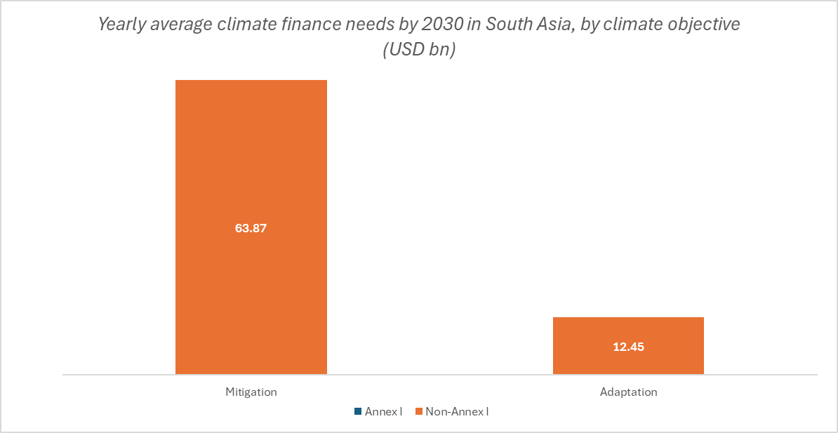
 | Yearly needs 2021-2030 (average scenario) 2022 USD bn |  |  |  | Cumulative needs 2021-2030 (average scenario) 2022 USD bn
 | Mitigation | Adaptation | Multiple Objectives | Total | Total
Annex I | N/A | N/A | N/A | N/A | N/A
N/A | N/A | N/A | N/A | N/A | N/A
Non-Annex I | 63.9 | 12.4 | - | 76.3 | 763.2
Afghanistan | 0.6 | 1.1 | - | 1.7 | 16.9
Bangladesh | 16.5 | - | - | 16.5 | 165.1
Bhutan* | 0.4 | - | - | 0.4 | 3.7
Nepal | 3.2 | - | - | 3.2 | 32.1
Pakistan | 43.2 | 11.3 | - | 54.5 | 545.4
India | N/A | N/A | N/A | N/A | N/A
1.69
Maldives | N/A | N/A | N/A | N/A | N/A
Sri Lanka | N/A | N/A | N/A | N/A | N/A
Total | 63.9 | 12.4 | - | 76.3 | 763.2
* Needs are partially costed

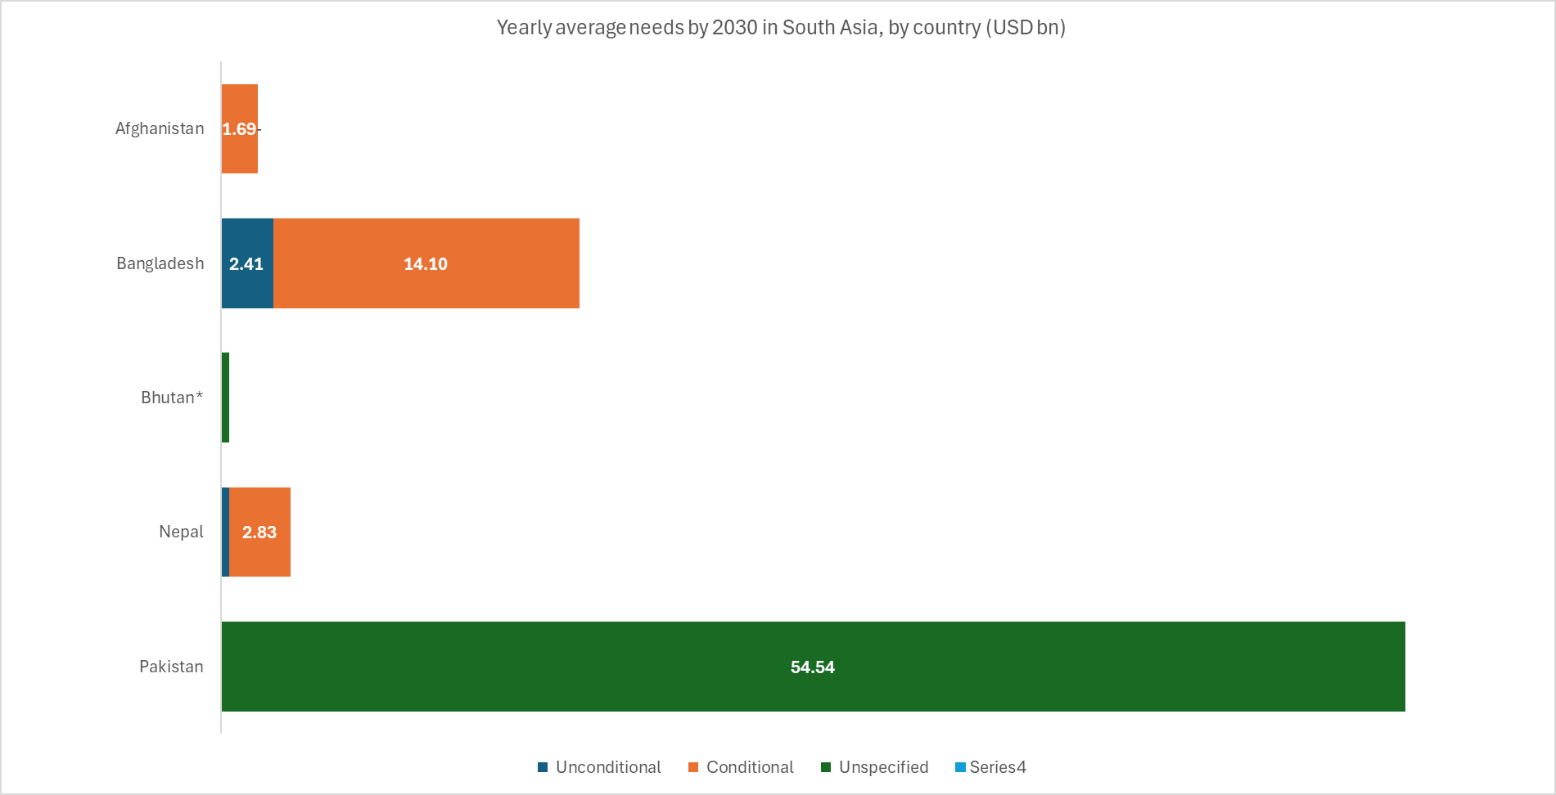
Average conditional and unconditional bottom-up climate finance needs by 2030 in South Asia, by country (USD bn)

16.51
 | Yearly needs 2021-2030 (average scenario) 2022 USD bn |  |  |  | Cumulative needs 2021-2030 (average scenario) 2022 USD bn
 | Unconditional | Conditional | Unspecified | Total | Total
Annex I | N/A | N/A | N/A | N/A | N/A
N/A | N/A | N/A | N/A | N/A | N/A
Non-Annex I | 2.8 | 18.6 | 54.9 | 76.3 | 763.2
Afghanistan | - | 1.7 | - | 1.7 | 16.9
Bangladesh | 2.4 | 14.1 | 0.0 | 16.5 | 165.1
Bhutan* | - | - | 0.4 | 0.4 | 3.7
0.37
Nepal | 0.4 | 2.8 | 0.0 | 3.2 | 32.1
Pakistan | - | - | 54.5 | 54.5 | 545.4
India | N/A | N/A | N/A | N/A | N/A
Maldives | N/A | N/A | N/A | N/A | N/A
Sri Lanka | N/A | N/A | N/A | N/A | N/A
Total | 2.8 | 18.6 | 54.9 | 76.3 | 763.2
* Needs are partially costed

3.21

Bottom-up climate finance needs by 2030 in South Asia, by sector (USD bn)

Sector | Coverage |  | Yearly needs 2021-2030 (average scenario) 2022 USD bn | Cumulative needs 2021-2030 (average scenario) 2022 USD bn

 | # countries/NDCs considered | % needs estimate coverage (out of total regional countries/NDCs)
Agriculture, Forestry, Other land uses (AFOLU) and Fisheries | 3 | 38% | 1.3 | 12.9
Buildings & Infrastructure | 1 | 13% | 1.3 | 13.1
Energy Systems | 2 | 25% | 0.9 | 9.4
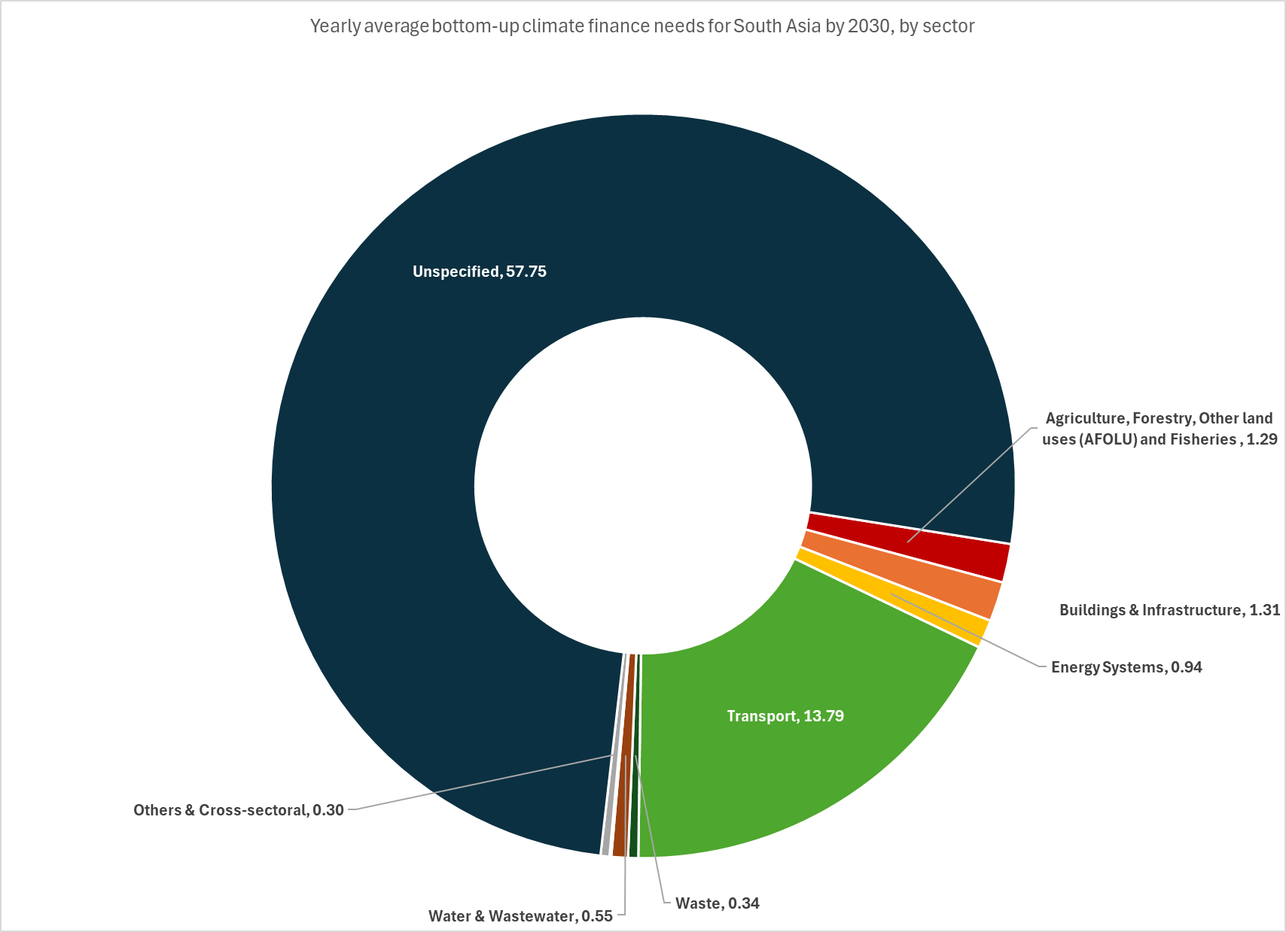
54.54
Industry | 2 | 25% | 0.0 | 0.0
ICT | 0 | 0% | - | -
Transport | 2 | 25% | 13.8 | 137.9
Waste | 2 | 25% | 0.3 | 3.4
Water & Wastewater | 2 | 25% | 0.5 | 5.5
Biodiversity, Land & Marine Conservation | 1 | 13% | 0.0 | 0.3
Disaster-risk Management | 1 | 13% | 0.0 | 0.1
Policy & National Budget Support & Capacity Building | 2 | 25% | 0.0 | 0.2
Others & Cross-sectoral | 1 | 13% | 0.3 | 3.0
Unspecified | 2 | 25% | 57.8 | 577.5
Total |  |  | 76.3 | 763.2

Sub-Saharan Africa
...
Country | Region | UNFCCC Classification | Needs quantified? | Data coverage | Timeframe | Thematic Coverage (Mitigation/Adaptation) | Sectoral breakdown available? | Sectors
United Republic of Tanzania | Sub-Saharan Africa | non-Annex I | Yes | Fully costed | 2020-2030 | Both | No | N/A | N/A | N/A | N/A | N/A | N/A | N/A | N/A | N/A
Zambia | Sub-Saharan Africa | non-Annex I | Yes | Fully costed | 2020-2030 | Both | No | N/A | N/A | N/A | N/A | N/A | N/A | N/A | N/A | N/A
Zimbabwe | Sub-Saharan Africa | non-Annex I | Yes | Fully costed | 2020-2030 | Mitigation only | Yes | Y | N | Y | Y | N | Y | Y | N | N
For more information on scope and coverage, please see: |  | Summary of NDCs
...
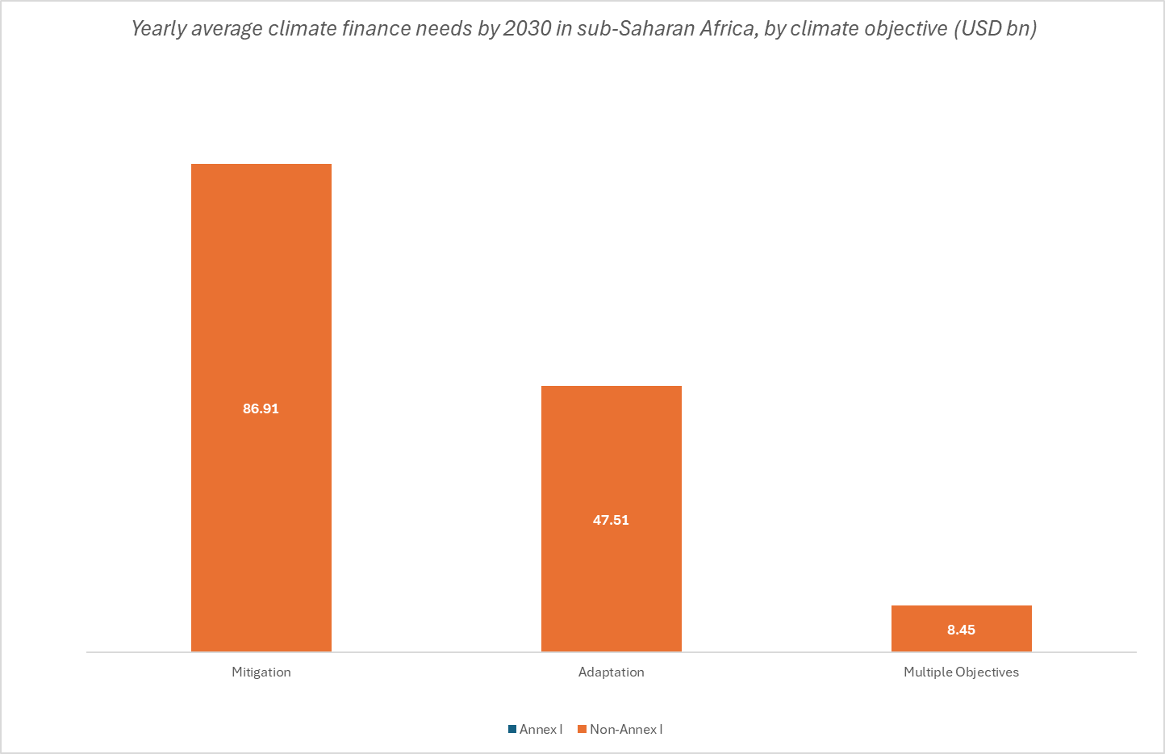
Average bottom-up climate finance needs by 2030 in Sub-Saharan Africa, by country and objective (USD bn)

 | Yearly needs 2021-2030 (average scenario) 2022 USD bn |  |  |  | Cumulative needs 2021-2030 (average scenario) 2022 USD bn
 | Mitigation | Adaptation | Multiple Objectives | Total | Total
Annex I | N/A | N/A | N/A | N/A | N/A
N/A | N/A | N/A | N/A | N/A | N/A
Non-Annex I | 87.3 | 47.5 | 8.4 | 143.3 | 1,432.7
Angola | 6.9 | 0.0 | - | 6.9 | 69.1
Benin | 0.8 | 0.3 | 0.0 | 1.1 | 10.7
Botswana | 1.5 | - | - | 1.5 | 15.0
Burkina Faso | 0.1 | 0.3 | 0.0 | 0.4 | 4.0
Burundi | 0.2 | 0.2 | - | 0.4 | 3.9
Cabo Verde | 0.1 | 0.1 | - | 0.2 | 2.3
Cameroon | 2.8 | 3.4 | - | 6.2 | 62.2
Central African Republic | 0.1 | 0.0 | - | 0.2 | 1.7
Chad | 0.7 | 0.5 | 0.0 | 1.2 | 12.0
Comoros | 0.1 | 0.1 | - | 0.2 | 1.7
Congo, Democratic Republic | 2.5 | 2.3 | - | 4.8 | 47.9
Congo, Republic | 0.4 | 0.4 | - | 0.8 | 8.0
Côte d'Ivoire | 0.9 | 1.1 | - | 2.0 | 20.0
Djibouti | 0.6 | 0.1 | - | 0.7 | 7.4
Equatorial Guinea | 0.1 | 0.0 | - | 0.1 | 0.9
Eritrea | 0.5 | 0.7 | - | 1.2 | 12.4
Eswatini | - |  | 0.1 | 0.1 | 1.5
Ethiopia | 27.0 | 4.0 | - | 31.0 | 310.3
Gabon* | 0.2 | 0.0 | - | 0.3 | 2.5
Gambia | 0.0 | - | - | 0.0 | 0.0
Ghana | - | - | 1.3 | 1.3 | 13.1
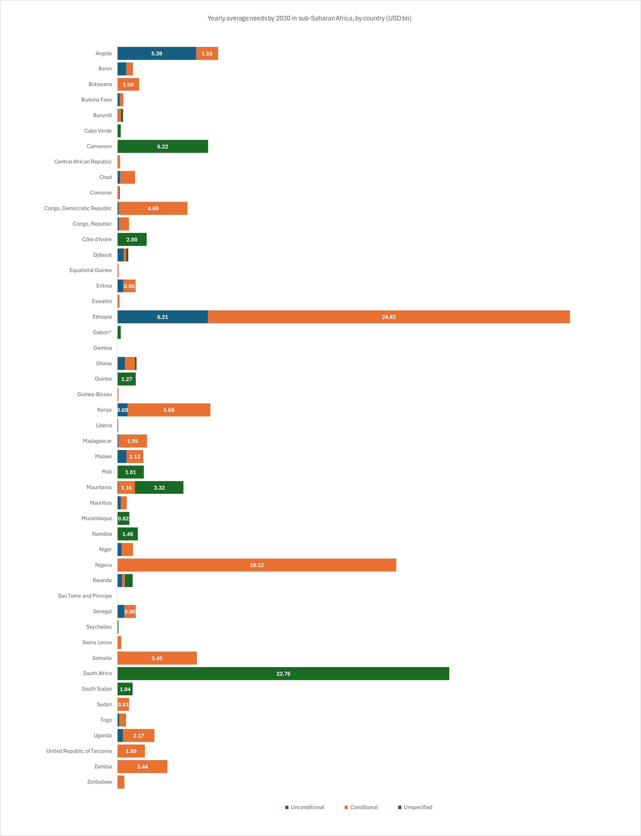
Guinea | 1.2 | 0.1 | - | 1.3 | 12.7
Guinea-Bissau | 0.1 | - | - | 0.1 | 0.7
Kenya | 1.8 | 4.5 | - | 6.4 | 63.7
Liberia | 0.0 | 0.0 | - | 0.0 | 0.5
Madagascar | 0.7 | 1.1 | 0.2 | 2.0 | 20.2
Malawi | 1.5 | 0.3 | 0.0 | 1.8 | 17.8
Mali | 0.2 | 1.4 | 0.2 | 1.8 | 18.1
Mauritania | 3.3 | 1.2 | 0.0 | 4.5 | 45.3
Mauritius | 0.2 | 0.4 | - | 0.6 | 6.4
Mozambique | - | - | 0.8 | 0.8 | 8.2
Namibia | 0.8 | 0.6 | - | 1.4 | 14.0
Niger | 0.3 | 0.7 | - | 1.1 | 10.7
Nigeria | 19.1 | - | - | 19.1 | 191.2
Rwanda | 0.5 | 0.5 | - | 1.1 | 10.5
Sao Tome and Principe | 0.0 | - | - | 0.0 | 0.1
Senegal | 0.8 | 0.4 | 0.0 | 1.3 | 12.6
Seychelles | 0.0 | 0.0 | - | 0.1 | 0.7
54.54
Sierra Leone | - | - | 0.3 | 0.3 | 2.7
Somalia | 0.7 | 4.8 | - | 5.4 | 54.5
South Africa | 7.1 | 15.7 | - | 22.8 | 227.6
South Sudan | 1.0 | 0.0 | - | 1.1 | 10.5
Sudan | 0.4 | 0.4 | - | 0.8 | 8.1
Togo | 0.3 | 0.2 | 0.0 | 0.6 | 5.7
Uganda | 0.9 | 1.6 | - | 2.5 | 25.5
United Republic of Tanzania | - | - | 1.9 | 1.9 | 18.9
Zambia | - | - | 3.4 | 3.4 | 34.4
Zimbabwe | 0.5 | - | - | 0.5 | 4.7
Lesotho** | N/A | N/A | N/A | N/A | N/A
Total | 87.3 | 47.5 | 8.4 | 143.3 | 1,432.7
* Needs are partially costed
** Quantified needs prior to 2021

Average conditional and unconditional bottom-up climate finance needs by 2030 in Sub-Saharan Africa, by country (USD bn)

 | Yearly needs 2021-2030 (average scenario) 2022 USD bn |  |  |  | Cumulative needs 2021-2030 (average scenario) 2022 USD bn
 | Unconditional | Conditional | Unspecified | Total | Total
Annex I | N/A | N/A | N/A | N/A | N/A
N/A | N/A | N/A | N/A | N/A | N/A
Non-Annex I | 17.4 | 83.7 | 0.1 | 143.3 | 1,432.7
Angola | 5.4 | 1.5 | - | 6.9 | 69.1
Benin | 0.6 | 0.5 | - | 1.1 | 10.7
Botswana | - | 1.5 | - | 1.5 | 15.0
Burkina Faso | 0.2 | 0.2 | - | 0.4 | 4.0
Burundi | 0.0 | 0.2 | 0.1 | 0.4 | 3.9
Cabo Verde | - | - | 0.2 | 0.2 | 2.3
Cameroon | - | - | 6.2 | 6.2 | 62.2
Central African Republic | 0.0 | 0.1 | - | 0.2 | 1.7
Chad | 0.2 | 1.0 | - | 1.2 | 12.0
Comoros | 0.0 | 0.1 | 0.1 | 0.2 | 1.7
Congo, Democratic Republic | 0.1 | 4.7 | - | 4.8 | 47.9
Congo, Republic | 0.1 | 0.7 | - | 0.8 | 8.0
Côte d'Ivoire | - | - | 2.0 | 2.0 | 20.0
Djibouti | 0.4 | 0.2 | 0.1 | 0.7 | 7.4
Equatorial Guinea | - | 0.1 | - | 0.1 | 0.9
Eritrea | 0.4 | 0.9 | - | 1.2 | 12.4
Eswatini | - | 0.1 | - | 0.1 | 1.5
Ethiopia | 6.2 | 24.8 | - | 31.0 | 310.3
Gabon* | - | - | 0.2 | 0.2 | 2.4
Gambia | - | 0.0 | - | 0.0 | 0.2
Ghana | 0.5 | 0.7 | 0.1 | 1.3 | 13.1
Guinea | - | - | 1.3 | 1.3 | 12.7
Guinea-Bissau | 0.0 | 0.1 | - | 0.1 | 0.7
Kenya | 0.7 | 5.7 | - | 6.4 | 63.7
Liberia | - | - | 0.0 | 0.0 | 0.5
Madagascar | 0.1 | 2.0 | - | 2.0 | 20.2
Malawi | 0.6 | 1.1 | 0.0 | 1.8 | 17.8
Mali | - | - | 1.8 | 1.8 | 18.1
Mauritania | 0.0 | 1.2 | 3.3 | 4.5 | 45.3
Mauritius | 0.2 | 0.4 | - | 0.6 | 6.4
Mozambique | - | - | 0.8 | 0.8 | 8.2
Namibia | - | - | 1.4 | 1.4 | 14.0
Niger | 0.3 | 0.8 | - | 1.1 | 10.7
Nigeria | - | 19.1 | - | 19.1 | 191.2
Rwanda | 0.3 | 0.2 | 0.5 | 1.1 | 10.5
Sao Tome and Principe | - | 0.0 | - | 0.0 | 0.1
Senegal | 0.5 | 0.8 | - | 1.3 | 12.6
Seychelles | - | - | 0.1 | 0.1 | 0.7
Sierra Leone | - | 0.3 | - | 0.3 | 2.7
Somalia | - | 5.4 | - | 5.4 | 54.5
South Africa | - | - | 22.8 | 22.8 | 227.6
South Sudan | - | 0.0 | 1.0 | 1.1 | 10.5
Sudan | - | 0.8 | - | 0.8 | 8.1
Togo | 0.1 | 0.5 | 0.0 | 0.6 | 5.7
Uganda | 0.4 | 2.2 | - | 2.5 | 25.5
United Republic of Tanzania | - | 1.9 | - | 1.9 | 18.9
Zambia | - | 3.4 | - | 3.4 | 34.4
Zimbabwe | - | 0.5 | - | 0.5 | 4.7
Lesotho** | N/A | N/A | N/A | N/A | N/A
Total | 17.4 | 83.7 | 0.1 | 143.3 | 1,432.7
* Needs are partially costed
** Quantified needs prior to 2021

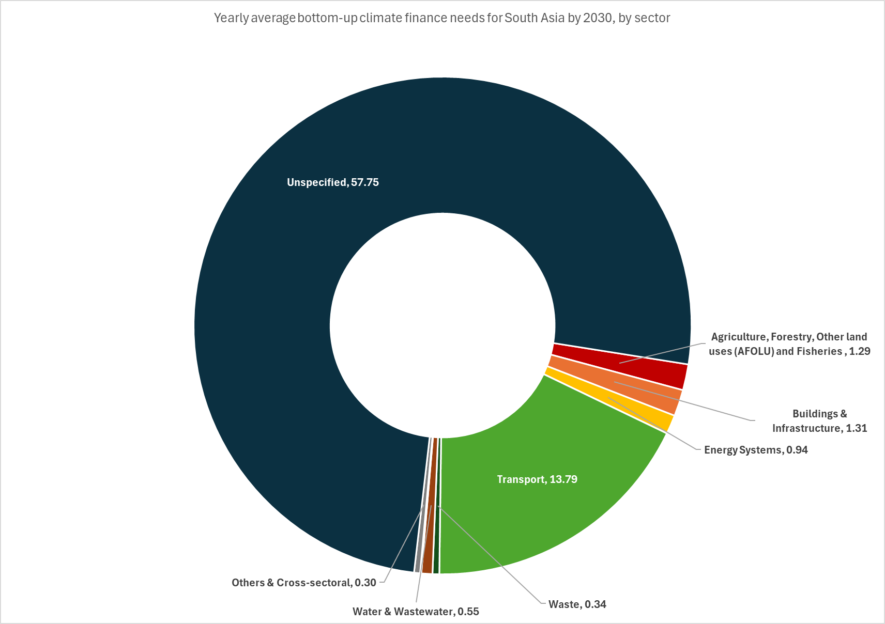
Bottom-up climate finance needs by 2030 in Sub-Saharan Africa, by sector (USD bn)

Sector | Coverage |  | Yearly needs 2021-2030 (average scenario) 2022 USD bn | Cumulative needs 2021-2030 (average scenario) 2022 USD bn

 | # countries/NDCs considered | % needs estimate coverage (out of total regional countries/NDCs)
Agriculture, Forestry, Other land uses (AFOLU) and Fisheries | 27 | 55% | 11.5 | 115.0
Buildings & Infrastructure | 19 | 39% | 2.6 | 26.2
Energy Systems | 27 | 55% | 8.4 | 83.9
Industry | 11 | 22% | 6.1 | 60.9
ICT | 0 | 0% | - | -
Transport | 20 | 41% | 4.0 | 40.4
Waste | 22 | 45% | 0.6 | 6.3
Water & Wastewater | 21 | 43% | 3.6 | 35.6
Biodiversity, Land & Marine Conservation | 16 | 33% | 0.8 | 8.0
Disaster-risk Management | 14 | 29% | 0.7 | 7.1
Policy & National Budget Support & Capacity Building | 19 | 39% | 0.8 | 8.2
Others & Cross-sectoral | 21 | 43% | 4.0 | 40.3
Unspecified | 27 | 55% | 100.1 | 1,000.7
Total |  |  | 143.3 | 1,432.7

Other regions
...
Country | Region | UNFCCC Classification | Needs quantified? | Data coverage | Timeframe | Thematic Coverage (Mitigation/Adaptation) | Sectoral breakdown available? | Sectors
United Kingdom | Western Europe | Annex I | No | N/A | N/A | None | N/A | N/A | N/A | N/A | N/A | N/A | N/A | N/A | N/A | N/A
Vatican City | Western Europe | non-Annex I | No | N/A | N/A | None | N/A | N/A | N/A | N/A | N/A | N/A | N/A | N/A | N/A | N/A
For more information on scope and coverage, please see: |  | Summary of NDCs
...
Average bottom-up climate finance needs by 2030 in Other Oceania, US & Canada, and Western Europe, by country and objective (USD bn)
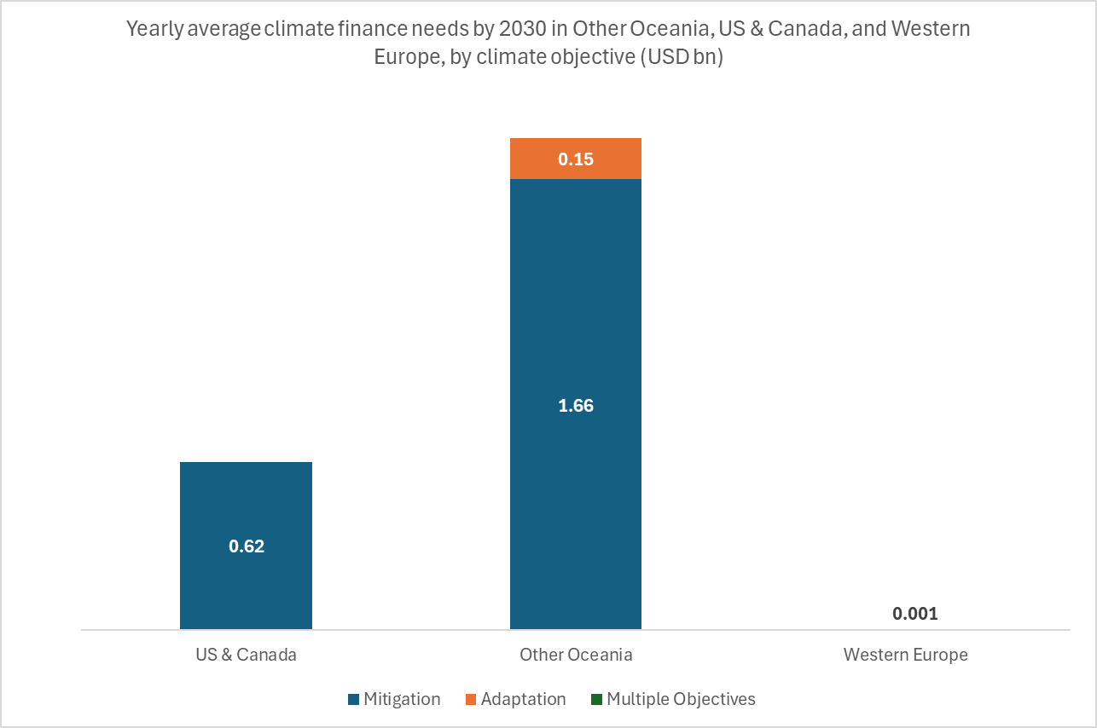
 | Yearly needs 2021-2030 (average scenario) 2022 USD bn |  |  |  | Cumulative needs 2021-2030 (average scenario) 2022 USD bn
 | Mitigation | Adaptation | Multiple Objectives | Total | Total
Other Oceania | 1.7 | 0.2 | - | 1.8 | 18.1
Australia* | 1.7 | 0.2 | - | 1.8 | 18.1
New Zealand | N/A | N/A | N/A | N/A | N/A
US & Canada | 2.5 | 0.3 | 0.3 | 3.1 | 30.6
Canada* | 2.5 | 0.3 | 0.3 | 3.1 | 30.6
United States | N/A | N/A | N/A | N/A | N/A
Western Europe | - | - | 0.0 | 0.0 | 0.0
Monaco | - | - | 0.0 | 0.0 | 0.0
Andorra | N/A | N/A | N/A | N/A | N/A
European Union | N/A | N/A | N/A | N/A | N/A
Iceland | N/A | N/A | N/A | N/A | N/A
Liechtenstein | N/A | N/A | N/A | N/A | N/A
Norway | N/A | N/A | N/A | N/A | N/A
San Marino | N/A | N/A | N/A | N/A | N/A
Switzerland | N/A | N/A | N/A | N/A | N/A
United Kingdom | N/A | N/A | N/A | N/A | N/A
16.51
Vatican City | N/A | N/A | N/A | N/A | N/A
* Needs are partially costed

Average conditional and unconditional bottom-up climate finance needs by 2030 in Other Oceania, US & Canada, and Western Europe, by country (USD bn)

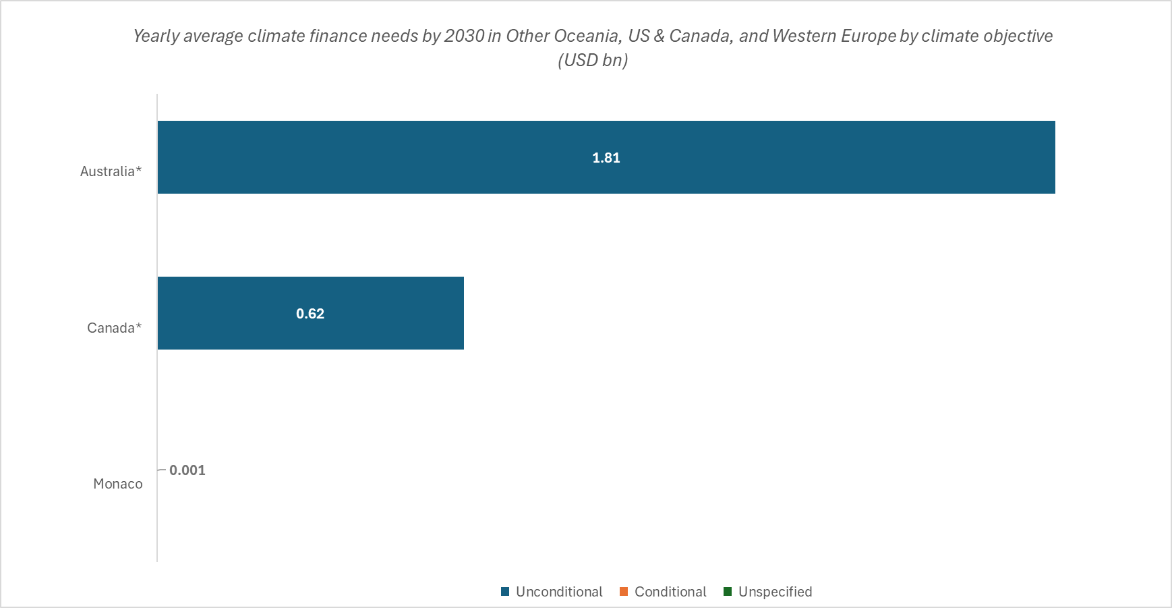
 | Yearly average needs 2022 USD bn |  |  |  | Cumulative needs 2021-2030 (average scenario) 2022 USD bn
 | Unconditional | Conditional | Unspecified | Total | Total
Other Oceania | 1.8 | - | - | 1.8 | 18.1
Australia* | 1.8 | - | - | 1.8 | 18.1
New Zealand | N/A | N/A | N/A | N/A | N/A
US & Canada | 3.1 | - | - | 3.1 | 30.6
Canada* | 3.1 | - | - | 3.1 | 30.6
United States | N/A | N/A | N/A | N/A | N/A
Western Europe | 0.0 | - | - | 0.0 | 0.0
Monaco | 0.0 | - | - | 0.0 | 0.0
Andorra | N/A | N/A | N/A | N/A | N/A
European Union | N/A | N/A | N/A | N/A | N/A
Iceland | N/A | N/A | N/A | N/A | N/A
Liechtenstein | N/A | N/A | N/A | N/A | N/A
Norway | N/A | N/A | N/A | N/A | N/A
San Marino | N/A | N/A | N/A | N/A | N/A
Switzerland | N/A | N/A | N/A | N/A | N/A
United Kingdom | N/A | N/A | N/A | N/A | N/A
Vatican City | N/A | N/A | N/A | N/A | N/A
* Needs are partially costed

Bottom-up climate finance needs by 2030 in Other Oceania, US & Canada, and Western Europe by sector (USD bn)
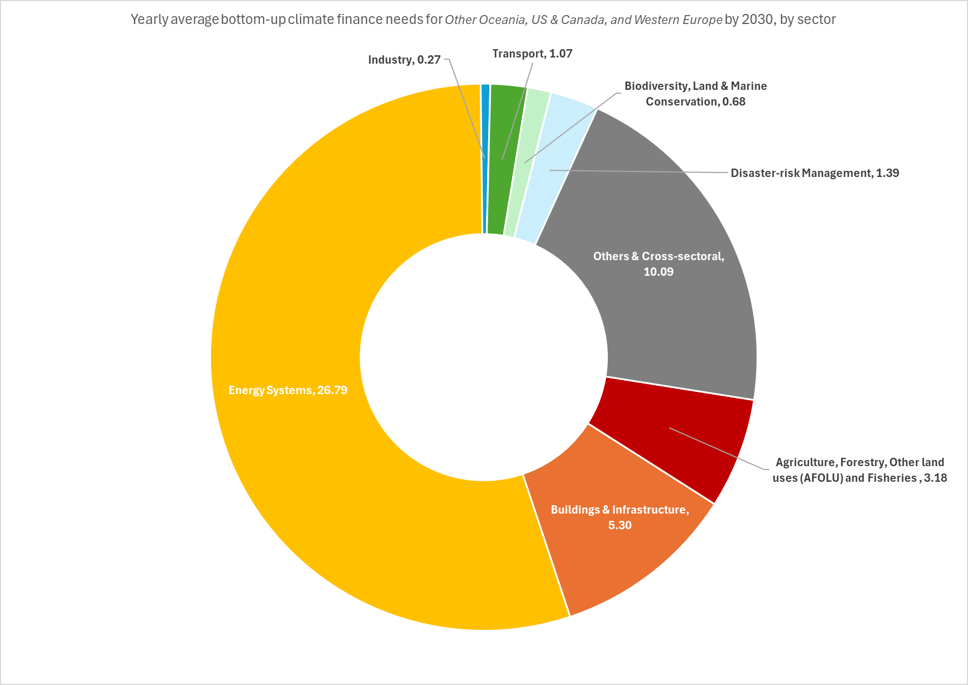
Sector | Coverage |  | Yearly needs 2021-2030 (average scenario) 2022 USD bn | Cumulative needs 2021-2030 (average scenario) 2022 USD bn

54.54
 | # countries/NDCs considered | % needs estimate coverage (out of total regional countries/NDCs)
Agriculture, Forestry, Other land uses (AFOLU) and Fisheries | 1 | 7% | 0.3 | 3.2
Buildings & Infrastructure | 1 | 7% | 0.5 | 5.3
Energy Systems | 2 | 14% | 2.7 | 26.8
Industry | 1 | 7% | 0.0 | 0.3
ICT | 0 | 0% | - | -
Transport | 2 | 14% | 0.1 | 1.1
Waste | 0 | 0% | - | -
Water & Wastewater | 0 | 0% | - | -
Biodiversity, Land & Marine Conservation | 2 | 14% | 0.1 | 0.7
Disaster-risk Management | 1 | 7% | 0.1 | 1.4
Policy & National Budget Support & Capacity Building | 0 | 0% | - | -
Others & Cross-sectoral | 2 | 14% | 1.0 | 10.1
Unspecified | 0 | 0% | - | -
Total |  |  | 4.9 | 48.8

